INK排程
14:04:00 | 日
 |  | INK每日排程
 | 日期 | 順序 | 站點 | 產品 | 差額量
 | 2021-01-22 | 1 | 4581 | FGF647BFS3 | OC 排程需求 |  | FGF647BFS3
 |  | 2 | 4581 | FGE505XFSB | OC 排程需求 |  | FGE505XFSB
 |  | 3 | 4581 | FGR010XKS1 | OC 排程需求 |  | FGR010XKS1
 |  | 4 | 4581 | FGF638XSQ4 | ITO 排程需求 |  | FGF638XSQ4
 |  | 5 | 4581 | FGE028XFSA | ITO 排程需求 |  | FGE028XFSA
 |  | 6 | 4581 | FGD329XXQ1 | ITO 排程需求 |  | FGD329XXQ1
 |  | 7 | 待修補Com Def - 7570 | FGF647BFS300002A | 36 |  | FGF647BFS300002A
 |  | 8
 |  | 9
 |  | 10
 |  | 11
 |  | 12
 |  | 13
 |  | 14

 |  |  | 鄭宜婷
 | 14:04:00 | Taget (UPH) | 站點 | 產品 | 片數 | 修補產品達成率
 |  | 196.2 | 4581 | FGF647BFS3 | 43 | 22%
 |  |  |  | FGF654XFQ1 | 52

INK 排程修補達成率
 | 4581 FGF647BFS3 | FGF654XFQ1 |  |  |  | Taget (UPH) | 修補產品達成率
14:04:00 | 43 | 52 | 0 | 0 | 0 | 196.2 | 22%

 |  |  | 14:04:00 | INK 排程修補達成率 | 22%

 |  |  |  | 4581 請依排程品項修補,避免 OC 斷料

 |  |  | N/A
 | 14:04:00 | Taget (UPH) | 站點 | 產品 | 片數 | 修補產品達成率
 |  | 0.0 | 4581 | FGF647BFS3 | 101 | 13%

INK 排程修補達成率
 | 4581 FGF647BFS3 |  |  |  |  | Taget (UPH) | 修補產品達成率
14:04:00 | 101 | 0 | 0 | 0 | 0 | 0.0 | 13%

 |  |  | 14:04:00 | INK 排程修補達成率 | 13%

 |  |  |  | 4581 請依排程品項修補,避免 OC 斷料

 |  | Taget (UPH) | 站點 | 產品 | 片數 | 修補產品達成率
 |  | 0.0 |  |  |  | 4%

INK 排程修補達成率
 |  |  |  |  | Taget (UPH) |  | 修補產品達成率
 | 0 | 0 | 0 | 0 | 0.0 | 0 | 4%

 |  |  | 15:46:00 | INK 排程修補達成率 | 4%

 |  |  |  | 4581 請依排程品項修補,避免 OC 斷料

 |  |  | N/A

 |  |  |  | FGF654XFQ1 | 100

流程
 |  |  | Plan |  |  | Do | Check | Action

減少組長工作上的Loading:
INK 自動排程
INK 自動排程目的:
避免 PI 需求量不足
避免未修補45XX ,導致 OC WIP 斷料
由組長確認改由系統自動產生
系統抓取PI需求/OC排程資訊
是否有達到Plan目的:
1. 修補排程產品執行率
2. 修補排程產品UPH 達成率
1.是: 依照排程執行修補
2.否:在重新PDCA循環

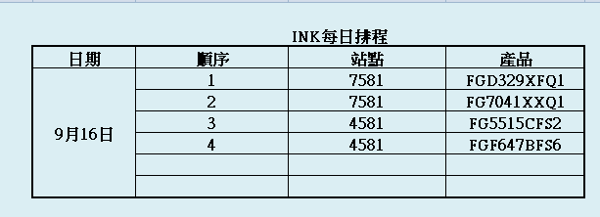

 |  | INK 排程修補達成率看板
10:30:00 | Taget (UPH) | 站點 | 產品 | 片數 | 修補產品達成率
 | 165 | 7581 | FGD329XFQ1 | 30 | 48%
 |  | 7581 | FG7041XXQ1 | 10
 |  | 4581 | FGD317BXS4 | 70
 |  | 4581 | FGF647BFS6 | 40

INK 排程修補達成率
 | 7581 FGD329XFQ1 | 7581 FG7041XXQ1 | 4581 FGD317BXS4 | 4581 FGF647BFS6 | Taget (UPH) | 修補產品達成率
10:30:00 | 30 | 10 | 70 | 40 | 165 | 48%

 | 10:30 INK 排程修補達成率 : 48%

 | 4581 修補非排程品項,請依排程品項修補

SUN
 |  |  |  |  |  |  |  |  |  | 條件
INK WIP(F011) |  |  |  |  |  | INK每日排程 |  |  |  | 1.依PI 當天需求品項優先修補7581
站點 | 產品 | 片數 |  | 日期 | 順序 | 站點 | 產品 | 數量 |  | 2. 當天PI需求已足,依隔天 PI 需求修補7581
4581 | FGD317BXS4 | 45 |  | 2020-09-16 | 1 | 7581 | FGD329XFQ1 |  | 7581FGD329XFQ1 | 3. 無PI 需求 ,依 OC當天排程修補4581
4581 | FGF647BFS6 | 17 |  |  | 2 | 7581 | FG7041XXQ1 |  | 7581FG7041XXQ1 | 4. 當天無OC 排程WIP,依隔天 OC 排程品項修補
4581 | FGR010XKS1 | 24 |  |  | 3 | 4581 | FG5515CFS2 |  | 4581FG5515CFS2 | 5. 無PI 及 OC 需求 ,則依 4581 ->7581 站點值行修補
4588 | FGF654XFQ1 | 45 |  |  | 4 | 4581 | FGF647BFS6 |  | 4581FGF647BFS6 | 6. 每 2 小 時 確認一次
7581 | FG7041XXQ1 | 169 |  |  | 5
7581 | FGF644BXQ2 | 120 |  |  | 6
7581 | FGF654XFQ1 | 145 |  |  | 7
7581 | FGD329XFQ1 | 50 |  |  | 8

 |  | INK 排程修補達成率看板
10:30:00 | Taget (UPH) | 站點 | 產品 | 片數 | 修補產品達成率
 | 165 | 7581 | FGD329XFQ1 | 30 | 48% | 7581FGD329XFQ1 | 7581FGD329XFQ1
 |  | 7581 | FG7041XXQ1 | 10 |  | 7581FG7041XXQ1 | 7581FG7041XXQ1
 |  | 4581 | FGD317BXS4 | 70 |  | 4581FGD317BXS4 | #N/A
 |  | 4581 | FGF647BFS6 | 40 |  | 4581FGF647BFS6 | 4581FGF647BFS6

INK 排程修補達成率

 |  |  |  |  |  |  | 採累計

 | 10:30 INK 排程修補達成率 48%

 | 4581 請依排程品項修補,避免 OC 斷料

中間倉
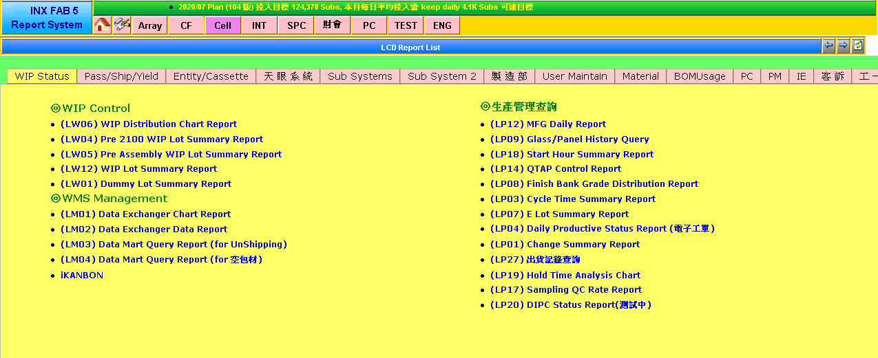
 |  |  |  |  |  |  | Cassette | Cassette | Glass | Glass | Panel | Panel
PSize | Prod No. | Operation | Grade | LCVD Grade | Owner | Size | CF | TFT | CF | TFT | CF | TFT | 所有總計 | 29501
5013 | TG5013GXMZ | 9970 | O | N | CRN0 | G | 0 | 9 | 0 | 28 | 0 | 168
5013 | TG5013GXMZ SUM |  |  |  |  |  | 0 | 9 | 0 | 28 | 0 | 168
5013 | SUM |  |  |  |  |  | 0 | 9 | 0 | 28 | 0 | 168
5515 | FG5515CFS2 | 2100 | G | N | CRN0 | G | 14 | 0 | 234 | 0 | 1404 | 0
5515 | FG5515CFS2 | 2100 | O | N | CRN0 | G | 25 | 0 | 105 | 0 | 630 | 0
5515 | FG5515CFS2 | 9960 & 9920 | G | N | PROD | G | 48 | 0 | 1091 | 0 | 6546 | 0
5515 | FG5515CFS2 | 9960 & 9920 | O | N | PROD | G | 88 | 0 | 464 | 0 | 2784 | 0
5515 | FG5515CFS2 SUM |  |  |  |  |  | 175 | 0 | 1894 | 0 | 11364 | 0
5515 | FG5515CXS2 | 9960 & 9920 | G | N | PROD | G | 1 | 0 | 21 | 0 | 126 | 0
5515 | FG5515CXS2 | 9960 & 9920 | O | N | PROD | G | 3 | 0 | 13 | 0 | 78 | 0
5515 | FG5515CXS2 SUM |  |  |  |  |  | 4 | 0 | 34 | 0 | 204 | 0
5515 | TG5515BF7 | 9960 & 9920 | G | N | CRN0 | G | 0 | 29 | 0 | 1179 | 0 | 7074
5515 | TG5515BF7 | 9960 & 9920 | L | N | CRN0 | G | 0 | 5 | 0 | 8 | 0 | 48
5515 | TG5515BF7 | 9960 & 9920 | O | N | CRN0 | G | 0 | 56 | 0 | 300 | 0 | 1779
5515 | TG5515BF7 SUM |  |  |  |  |  | 0 | 90 | 0 | 1487 | 0 | 8901
5515 | SUM |  |  |  |  |  | 179 | 90 | 1928 | 1487 | 11568 | 8901
6309 | TG6309BX8A | 9970 | G | N | CRN0 | G | 0 | 1 | 0 | 1 | 0 | 6
6309 | TG6309BX8A | 9970 | O | N | CRN0 | G | 0 | 7 | 0 | 12 | 0 | 72
6309 | TG6309BX8A SUM |  |  |  |  |  | 0 | 8 | 0 | 13 | 0 | 78
6309 | SUM |  |  |  |  |  | 0 | 8 | 0 | 13 | 0 | 78
6406 | FG6406XFS1 | 9960 & 9920 | G | N | PROD | G | 3 | 0 | 23 | 0 | 138 | 0
6406 | FG6406XFS1 | 9960 & 9920 | O | N | PROD | G | 4 | 0 | 11 | 0 | 66 | 0
6406 | FG6406XFS1 SUM |  |  |  |  |  | 7 | 0 | 34 | 0 | 204 | 0
6406 | TG6406XF7A | 9960 & 9920 | G | N | CRN0 | G | 0 | 1 | 0 | 3 | 0 | 18
6406 | TG6406XF7A | 9960 & 9920 | L | N | CRN0 | G | 0 | 1 | 0 | 1 | 0 | 6
6406 | TG6406XF7A | 9960 & 9920 | O | N | CRN0 | G | 0 | 3 | 0 | 11 | 0 | 66
6406 | TG6406XF7A SUM |  |  |  |  |  | 0 | 5 | 0 | 15 | 0 | 90
6406 | SUM |  |  |  |  |  | 7 | 5 | 34 | 15 | 204 | 90
6509 | FG6509XFS2 | 2100 | G | N | CRN0 | G | 6 | 0 | 226 | 0 | 1356 | 0
6509 | FG6509XFS2 | 2100 | O | N | CRN0 | G | 17 | 0 | 122 | 0 | 732 | 0
6509 | FG6509XFS2 | 9960 & 9920 | G | N | PROD | G | 24 | 0 | 570 | 0 | 3420 | 0
6509 | FG6509XFS2 | 9960 & 9920 | O | N | PROD | G | 51 | 0 | 290 | 0 | 1740 | 0
6509 | FG6509XFS2 SUM |  |  |  |  |  | 98 | 0 | 1208 | 0 | 7248 | 0
6509 | TG6509BF7A | 2100 | O | N | CRN0 | G | 0 | 1 | 0 | 1 | 0 | 6
6509 | TG6509BF7A | 9960 & 9920 | G | N | CRN0 | G | 0 | 1 | 0 | 60 | 0 | 360
6509 | TG6509BF7A | 9960 & 9920 | L | N | CRN0 | G | 0 | 11 | 0 | 48 | 0 | 287
6509 | TG6509BF7A | 9960 & 9920 | O | N | CRN0 | G | 0 | 203 | 0 | 1380 | 0 | 8261
6509 | TG6509BF7A SUM |  |  |  |  |  | 0 | 216 | 0 | 1489 | 0 | 8914
6509 | SUM |  |  |  |  |  | 98 | 216 | 1208 | 1489 | 7248 | 8914
6516 | TG6516BF8A | 9970 | O | N | CRN0 | G | 0 | 25 | 0 | 55 | 0 | 440
6516 | TG6516BF8A SUM |  |  |  |  |  | 0 | 25 | 0 | 55 | 0 | 440
6516 | SUM |  |  |  |  |  | 0 | 25 | 0 | 55 | 0 | 440
6521 | FG6521XFS1 | 9960 & 9920 | G | N | PROD | G | 10 | 0 | 283 | 0 | 1698 | 0
6521 | FG6521XFS1 | 9960 & 9920 | O | N | PROD | G | 21 | 0 | 132 | 0 | 792 | 0
6521 | FG6521XFS1 SUM |  |  |  |  |  | 31 | 0 | 415 | 0 | 2490 | 0
6521 | TG6521XF7A | 9960 & 9920 | O | N | CRN0 | G | 0 | 59 | 0 | 473 | 0 | 2832
6521 | TG6521XF7A SUM |  |  |  |  |  | 0 | 59 | 0 | 473 | 0 | 2832
6521 | SUM |  |  |  |  |  | 31 | 59 | 415 | 473 | 2490 | 2832
6605 | FG6605BFS1 | 9960 & 9920 | G | N | PROD | G | 19 | 0 | 256 | 0 | 1536 | 0
6605 | FG6605BFS1 | 9960 & 9920 | O | N | PROD | G | 31 | 0 | 164 | 0 | 984 | 0
6605 | FG6605BFS1 SUM |  |  |  |  |  | 50 | 0 | 420 | 0 | 2520 | 0
6605 | TG6605XF8A | 9960 & 9920 | G | N | CRN0 | G | 0 | 2 | 0 | 117 | 0 | 702
6605 | TG6605XF8A | 9960 & 9920 | L | N | CRN0 | G | 0 | 11 | 0 | 25 | 0 | 148
6605 | TG6605XF8A | 9960 & 9920 | O | N | CRN0 | G | 0 | 385 | 0 | 2558 | 0 | 15306
6605 | TG6605XF8A SUM |  |  |  |  |  | 0 | 398 | 0 | 2700 | 0 | 16156
6605 | SUM |  |  |  |  |  | 50 | 398 | 420 | 2700 | 2520 | 16156
7030 | TG7030XF6 | 9970 | G | N | CRN0 | G | 0 | 13 | 0 | 28 | 0 | 168
7030 | TG7030XF6 | 9970 | L | N | CRN0 | G | 0 | 7 | 0 | 11 | 0 | 66
7030 | TG7030XF6 SUM |  |  |  |  |  | 0 | 20 | 0 | 39 | 0 | 234
7030 | SUM |  |  |  |  |  | 0 | 20 | 0 | 39 | 0 | 234
7050 | TG7050XS | 9979 | G | N | PROD | G | 0 | 1 | 0 | 1 | 0 | 8
7050 | TG7050XS SUM |  |  |  |  |  | 0 | 1 | 0 | 1 | 0 | 8
7050 | TG7050XSAT | 9960 & 9920 | G | N | PROD | G | 0 | 3 | 0 | 19 | 0 | 152
7050 | TG7050XSAT | 9960 & 9920 | L | N | PROD | G | 0 | 7 | 0 | 33 | 0 | 262
7050 | TG7050XSAT | 9960 & 9920 | O | N | PROD | G | 0 | 8 | 0 | 21 | 0 | 165
7050 | TG7050XSAT | 9979 | L | N | PROD | G | 0 | 4 | 0 | 7 | 0 | 56
7050 | TG7050XSAT | 9979 | O | N | PROD | G | 0 | 6 | 0 | 8 | 0 | 64
7050 | TG7050XSAT SUM |  |  |  |  |  | 0 | 28 | 0 | 88 | 0 | 699
7050 | SUM |  |  |  |  |  | 0 | 29 | 0 | 89 | 0 | 707
8008 | FG8008XKQ3 | 9960 & 9920 | G | N | PROD | G | 9 | 0 | 132 | 0 | 2772 | 0
8008 | FG8008XKQ3 SUM |  |  |  |  |  | 9 | 0 | 132 | 0 | 2772 | 0
8008 | SUM |  |  |  |  |  | 9 | 0 | 132 | 0 | 2772 | 0
8050 | TG8050XX6A | 9960 & 9920 | L | N | CRN0 | G | 0 | 16 | 0 | 96 | 0 | 569
8050 | TG8050XX6A | 9960 & 9920 | O | N | CRN0 | G | 0 | 2 | 0 | 3 | 0 | 8
8050 | TG8050XX6A | 9970 | G | N | CRN0 | G | 0 | 126 | 0 | 416 | 0 | 2496
8050 | TG8050XX6A | 9970 | L | N | CRN0 | G | 0 | 1 | 0 | 1 | 0 | 6
8050 | TG8050XX6A SUM |  |  |  |  |  | 0 | 145 | 0 | 516 | 0 | 3079
8050 | SUM |  |  |  |  |  | 0 | 145 | 0 | 516 | 0 | 3079
A108 | TGA108XS | 9970 | G | N | CRN0 | G | 0 | 10 | 0 | 59 | 0 | 590
A108 | TGA108XS | 9970 | G | N | RES0 | G | 0 | 4 | 0 | 24 | 0 | 240
A108 | TGA108XS | 9970 | L | N | CRN0 | G | 0 | 3 | 0 | 3 | 0 | 30
A108 | TGA108XS | 9970 | L | N | RES0 | G | 0 | 4 | 0 | 6 | 0 | 60
A108 | TGA108XS SUM |  |  |  |  |  | 0 | 21 | 0 | 92 | 0 | 920
A108 | SUM |  |  |  |  |  | 0 | 21 | 0 | 92 | 0 | 920
A113 | TGA113XXMZ | 9960 & 9920 | G | N | RES0 | G | 0 | 7 | 0 | 68 | 0 | 992
A113 | TGA113XXMZ | 9960 & 9920 | L | N | RES0 | G | 0 | 4 | 0 | 23 | 0 | 329
A113 | TGA113XXMZ | 9970 | G | N | RES0 | G | 0 | 7 | 0 | 34 | 0 | 510
A113 | TGA113XXMZ | 9970 | L | N | RES0 | G | 0 | 5 | 0 | 7 | 0 | 105
A113 | TGA113XXMZ SUM |  |  |  |  |  | 0 | 23 | 0 | 132 | 0 | 1936
A113 | SUM |  |  |  |  |  | 0 | 23 | 0 | 132 | 0 | 1936
A801 | FGA801BXS1 | 9960 & 9920 | G | N | PROD | G | 16 | 0 | 375 | 0 | 5625 | 0
A801 | FGA801BXS1 SUM |  |  |  |  |  | 16 | 0 | 375 | 0 | 5625 | 0
A801 | SUM |  |  |  |  |  | 16 | 0 | 375 | 0 | 5625 | 0
AMHS | TGRBABXX | 1001 | 1 | N | PROD | G | 0 | 2 | 0 | 2 | 0 | 2
AMHS | TGRBABXX SUM |  |  |  |  |  | 0 | 2 | 0 | 2 | 0 | 2
AMHS | SUM |  |  |  |  |  | 0 | 2 | 0 | 2 | 0 | 2
B605 | FGB605XXS4 | 9960 & 9920 | G | N | PROD | G | 2 | 0 | 11 | 0 | 88 | 0
B605 | FGB605XXS4 SUM |  |  |  |  |  | 2 | 0 | 11 | 0 | 88 | 0
B605 | SUM |  |  |  |  |  | 2 | 0 | 11 | 0 | 88 | 0
C004 | FGC004BXS1 | 9960 & 9920 | B | N | PROD | G | 1 | 0 | 2 | 0 | 54 | 0
C004 | FGC004BXS1 | 9960 & 9920 | C | N | PROD | G | 2 | 0 | 3 | 0 | 80 | 0
C004 | FGC004BXS1 | 9960 & 9920 | E | N | PROD | G | 1 | 0 | 2 | 0 | 54 | 0
C004 | FGC004BXS1 | 9960 & 9920 | F | N | PROD | G | 2 | 0 | 3 | 0 | 81 | 0
C004 | FGC004BXS1 | 9960 & 9920 | G | N | PROD | G | 7 | 0 | 127 | 0 | 3541 | 0
C004 | FGC004BXS1 | 9960 & 9920 | H | N | PROD | G | 2 | 0 | 4 | 0 | 107 | 0
C004 | FGC004BXS1 | 9960 & 9920 | I | N | PROD | G | 1 | 0 | 1 | 0 | 26 | 0
C004 | FGC004BXS1 SUM |  |  |  |  |  | 16 | 0 | 142 | 0 | 3943 | 0
C004 | SUM |  |  |  |  |  | 16 | 0 | 142 | 0 | 3943 | 0
C501 | FGC501BXS2 | 9960 & 9920 | G | N | PROD | G | 7 | 0 | 159 | 0 | 3791 | 0
C501 | FGC501BXS2 | 9960 & 9920 | O | N | PROD | G | 5 | 0 | 10 | 0 | 226 | 0
C501 | FGC501BXS2 SUM |  |  |  |  |  | 12 | 0 | 169 | 0 | 4017 | 0
C501 | TGC501BXMZ | 9970 | G | N | CRN0 | G | 0 | 1 | 0 | 3 | 0 | 72
C501 | TGC501BXMZ | 9970 | O | N | CRN0 | G | 0 | 2 | 0 | 2 | 0 | 45
C501 | TGC501BXMZ SUM |  |  |  |  |  | 0 | 3 | 0 | 5 | 0 | 117
C501 | SUM |  |  |  |  |  | 12 | 3 | 169 | 5 | 4017 | 117
D308 | TGD308XX | 9970 | G | N | RES0 | G | 0 | 2 | 0 | 13 | 0 | 312
D308 | TGD308XX | 9970 | L | Y | RES0 | G | 0 | 1 | 0 | 1 | 0 | 23
D308 | TGD308XX | 9970 | O | N | RES0 | G | 0 | 5 | 0 | 9 | 0 | 201
D308 | TGD308XX SUM |  |  |  |  |  | 0 | 8 | 0 | 23 | 0 | 536
D308 | SUM |  |  |  |  |  | 0 | 8 | 0 | 23 | 0 | 536
D317 | FGD317BXS3 | 9960 & 9920 | G | N | PROD | G | 2 | 0 | 49 | 0 | 1173 | 0
D317 | FGD317BXS3 | 9960 & 9920 | O | N | PROD | G | 1 | 0 | 1 | 0 | 23 | 0
D317 | FGD317BXS3 SUM |  |  |  |  |  | 3 | 0 | 50 | 0 | 1196 | 0
D317 | FGD317BXS4 | 9960 & 9920 | G | N | PROD | G | 3 | 0 | 31 | 0 | 737 | 0
D317 | FGD317BXS4 SUM |  |  |  |  |  | 3 | 0 | 31 | 0 | 737 | 0
D317 | FGD317CXS3 | 9960 & 9920 | G | N | PROD | G | 2 | 0 | 9 | 0 | 214 | 0
D317 | FGD317CXS3 | 9960 & 9920 | O | N | PROD | G | 1 | 0 | 1 | 0 | 22 | 0
D317 | FGD317CXS3 SUM |  |  |  |  |  | 3 | 0 | 10 | 0 | 236 | 0
D317 | FGD317CXS4 | 9960 & 9920 | G | N | PROD | G | 8 | 0 | 165 | 0 | 3942 | 0
D317 | FGD317CXS4 | 9960 & 9920 | O | N | PROD | G | 3 | 0 | 3 | 0 | 69 | 0
D317 | FGD317CXS4 SUM |  |  |  |  |  | 11 | 0 | 168 | 0 | 4011 | 0
D317 | TGD317XF6 | 9970 | G | N | CRN0 | G | 0 | 2 | 0 | 9 | 0 | 216
D317 | TGD317XF6 | 9970 | L | Y | CRN0 | G | 0 | 1 | 0 | 2 | 0 | 48
D317 | TGD317XF6 | 9970 | O | N | CRN0 | G | 0 | 2 | 0 | 5 | 0 | 115
D317 | TGD317XF6 | 9979 | G | N | CRN0 | G | 0 | 1 | 0 | 13 | 0 | 312
D317 | TGD317XF6 | 9979 | L | Y | CRN0 | G | 0 | 1 | 0 | 3 | 0 | 72
D317 | TGD317XF6 | 9979 | O | N | CRN0 | G | 0 | 1 | 0 | 4 | 0 | 92
D317 | TGD317XF6 SUM |  |  |  |  |  | 0 | 8 | 0 | 36 | 0 | 855
D317 | TGD317XXMZ | 9960 & 9920 | G | N | CRN0 | G | 0 | 6 | 0 | 313 | 0 | 7512
D317 | TGD317XXMZ | 9960 & 9920 | L | Y | CRN0 | G | 0 | 5 | 0 | 22 | 0 | 506
D317 | TGD317XXMZ | 9960 & 9920 | O | N | CRN0 | G | 0 | 41 | 0 | 565 | 0 | 12728
D317 | TGD317XXMZ SUM |  |  |  |  |  | 0 | 52 | 0 | 900 | 0 | 20746
D317 | SUM |  |  |  |  |  | 20 | 60 | 259 | 936 | 6180 | 21601
D324 | FGD324CXSA | 9960 & 9920 | G | N | PROD | G | 2 | 0 | 18 | 0 | 428 | 0
D324 | FGD324CXSA | 9960 & 9920 | O | N | PROD | G | 1 | 0 | 2 | 0 | 46 | 0
D324 | FGD324CXSA SUM |  |  |  |  |  | 3 | 0 | 20 | 0 | 474 | 0
D324 | SUM |  |  |  |  |  | 3 | 0 | 20 | 0 | 474 | 0
D325 | FGD325CFS1 | 9960 & 9920 | G | N | PROD | G | 2 | 0 | 35 | 0 | 832 | 0
D325 | FGD325CFS1 | 9960 & 9920 | O | N | PROD | G | 2 | 0 | 3 | 0 | 68 | 0
D325 | FGD325CFS1 SUM |  |  |  |  |  | 4 | 0 | 38 | 0 | 900 | 0
D325 | SUM |  |  |  |  |  | 4 | 0 | 38 | 0 | 900 | 0
D329 | FGD329XFQ1 | 2100 | G | N | CRN0 | G | 10 | 0 | 411 | 0 | 9857 | 0
D329 | FGD329XFQ1 | 2100 | O | N | CRN0 | G | 5 | 0 | 9 | 0 | 206 | 0
D329 | FGD329XFQ1 | 9960 & 9920 | G | N | PD86 | G | 6 | 0 | 118 | 0 | 2756 | 0
D329 | FGD329XFQ1 | 9960 & 9920 | G | N | PROD | G | 16 | 0 | 566 | 0 | 13576 | 0
D329 | FGD329XFQ1 | 9960 & 9920 | O | N | PD86 | G | 2 | 0 | 2 | 0 | 45 | 0
D329 | FGD329XFQ1 | 9960 & 9920 | O | N | PROD | G | 5 | 0 | 13 | 0 | 299 | 0
D329 | FGD329XFQ1 SUM |  |  |  |  |  | 44 | 0 | 1119 | 0 | 26739 | 0
D329 | TGD329XF5 | 30 | O | N | PD80 | G | 0 | 5 | 0 | 60 | 0 | 1346
D329 | TGD329XF5 | 9960 & 9920 | G | N | CRN0 | G | 0 | 5 | 0 | 300 | 0 | 7200
D329 | TGD329XF5 | 9960 & 9920 | O | N | CRN0 | G | 0 | 31 | 0 | 420 | 0 | 9422
D329 | TGD329XF5 SUM |  |  |  |  |  | 0 | 41 | 0 | 780 | 0 | 17968
D329 | TGD329XX5 | 9960 & 9920 | G | N | PD85 | G | 0 | 1 | 0 | 3 | 0 | 72
D329 | TGD329XX5 | 9960 & 9920 | O | N | PD85 | G | 0 | 2 | 0 | 5 | 0 | 114
D329 | TGD329XX5 | 9970 | O | N | CRN0 | G | 0 | 4 | 0 | 8 | 0 | 172
D329 | TGD329XX5 SUM |  |  |  |  |  | 0 | 7 | 0 | 16 | 0 | 358
D329 | SUM |  |  |  |  |  | 44 | 48 | 1119 | 796 | 26739 | 18326
D330 | TGD330XXH | 9960 & 9920 | O | N | CRN0 | G | 0 | 1 | 0 | 2 | 0 | 12
D330 | TGD330XXH SUM |  |  |  |  |  | 0 | 1 | 0 | 2 | 0 | 12
D330 | SUM |  |  |  |  |  | 0 | 1 | 0 | 2 | 0 | 12
E017 | TGE017XX | 9970 | G | N | CRN0 | G | 0 | 1 | 0 | 4 | 0 | 84
E017 | TGE017XX SUM |  |  |  |  |  | 0 | 1 | 0 | 4 | 0 | 84
E017 | SUM |  |  |  |  |  | 0 | 1 | 0 | 4 | 0 | 84
E021 | FGE021BXS3 | 9960 & 9920 | G | N | PROD | G | 2 | 0 | 58 | 0 | 1159 | 0
E021 | FGE021BXS3 | 9960 & 9920 | O | N | PROD | G | 1 | 0 | 2 | 0 | 38 | 0
E021 | FGE021BXS3 SUM |  |  |  |  |  | 3 | 0 | 60 | 0 | 1197 | 0
E021 | FGE021XXS3 | 9960 & 9920 | G | N | PROD | G | 3 | 0 | 59 | 0 | 1177 | 0
E021 | FGE021XXS3 | 9960 & 9920 | O | N | PROD | G | 1 | 0 | 1 | 0 | 19 | 0
E021 | FGE021XXS3 SUM |  |  |  |  |  | 4 | 0 | 60 | 0 | 1196 | 0
E021 | FGE021XXS4 | 9960 & 9920 | G | N | PROD | G | 35 | 0 | 1155 | 0 | 23072 | 0
E021 | FGE021XXS4 SUM |  |  |  |  |  | 35 | 0 | 1155 | 0 | 23072 | 0
E021 | TGE021XF6 | 9970 | G | N | CRN0 | G | 0 | 1 | 0 | 8 | 0 | 160
E021 | TGE021XF6 | 9970 | L | Y | CRN0 | G | 0 | 2 | 0 | 2 | 0 | 39
E021 | TGE021XF6 | 9970 | O | N | CRN0 | G | 0 | 1 | 0 | 2 | 0 | 38
E021 | TGE021XF6 SUM |  |  |  |  |  | 0 | 4 | 0 | 12 | 0 | 237
E021 | TGE021XXMZ | 9960 & 9920 | G | N | CRN0 | G | 0 | 9 | 0 | 540 | 0 | 10800
E021 | TGE021XXMZ | 9960 & 9920 | L | Y | CRN0 | G | 0 | 10 | 0 | 180 | 0 | 3508
E021 | TGE021XXMZ | 9960 & 9920 | O | N | CRN0 | G | 0 | 24 | 0 | 342 | 0 | 6365
E021 | TGE021XXMZ SUM |  |  |  |  |  | 0 | 43 | 0 | 1062 | 0 | 20673
E021 | SUM |  |  |  |  |  | 42 | 47 | 1275 | 1074 | 25465 | 20910
E028 | FGE028XFSA | 9960 & 9920 | G | N | PROD | G | 31 | 0 | 894 | 0 | 17840 | 0
E028 | FGE028XFSA | 9960 & 9920 | O | N | PROD | G | 15 | 0 | 15 | 0 | 285 | 0
E028 | FGE028XFSA SUM |  |  |  |  |  | 46 | 0 | 909 | 0 | 18125 | 0
E028 | TGE028BFHSF | 9960 & 9920 | G | N | CRN0 | G | 0 | 3 | 0 | 180 | 0 | 3600
E028 | TGE028BFHSF | 9960 & 9920 | O | N | CRN0 | G | 0 | 27 | 0 | 360 | 0 | 6608
E028 | TGE028BFHSF SUM |  |  |  |  |  | 0 | 30 | 0 | 540 | 0 | 10208
E028 | SUM |  |  |  |  |  | 46 | 30 | 909 | 540 | 18125 | 10208
F616 | TGF616XS | 9960 & 9920 | G | N | CRN0 | G | 0 | 1 | 0 | 11 | 0 | 198
F616 | TGF616XS | 9960 & 9920 | O | N | CRN0 | G | 0 | 4 | 0 | 6 | 0 | 87
F616 | TGF616XS SUM |  |  |  |  |  | 0 | 5 | 0 | 17 | 0 | 285
F616 | SUM |  |  |  |  |  | 0 | 5 | 0 | 17 | 0 | 285
F617 | FGF617XSQ5 | 9960 & 9920 | 6 | N | PROD | G | 4 | 0 | 36 | 0 | 633 | 0
F617 | FGF617XSQ5 | 9960 & 9920 | G | N | PROD | G | 6 | 0 | 145 | 0 | 2601 | 0
F617 | FGF617XSQ5 | 9960 & 9920 | O | N | PROD | G | 5 | 0 | 10 | 0 | 167 | 0
F617 | FGF617XSQ5 SUM |  |  |  |  |  | 15 | 0 | 191 | 0 | 3401 | 0
F617 | SUM |  |  |  |  |  | 15 | 0 | 191 | 0 | 3401 | 0
F638 | TGF638XS | 9970 | G | N | RES0 | G | 0 | 4 | 0 | 36 | 0 | 648
F638 | TGF638XS | 9970 | L | Y | RES0 | G | 0 | 3 | 0 | 4 | 0 | 72
F638 | TGF638XS | 9970 | O | N | RES0 | G | 0 | 7 | 0 | 15 | 0 | 245
F638 | TGF638XS SUM |  |  |  |  |  | 0 | 14 | 0 | 55 | 0 | 965
F638 | SUM |  |  |  |  |  | 0 | 14 | 0 | 55 | 0 | 965
F640 | TGF640XX | 9960 & 9920 | G | N | CRN0 | G | 0 | 1 | 0 | 3 | 0 | 54
F640 | TGF640XX | 9970 | G | N | CRN0 | G | 0 | 7 | 0 | 85 | 0 | 1530
F640 | TGF640XX | 9970 | L | Y | CRN0 | G | 0 | 11 | 0 | 27 | 0 | 476
F640 | TGF640XX | 9970 | O | N | CRN0 | G | 0 | 8 | 0 | 25 | 0 | 423
F640 | TGF640XX SUM |  |  |  |  |  | 0 | 27 | 0 | 140 | 0 | 2483
F640 | SUM |  |  |  |  |  | 0 | 27 | 0 | 140 | 0 | 2483
F641 | FGF641XXS4 | 9960 & 9920 | G | N | PROD | G | 3 | 0 | 100 | 0 | 1793 | 0
F641 | FGF641XXS4 SUM |  |  |  |  |  | 3 | 0 | 100 | 0 | 1793 | 0
F641 | TGF641XXMZ | 9970 | G | N | CRN0 | G | 0 | 2 | 0 | 15 | 0 | 270
F641 | TGF641XXMZ | 9970 | L | Y | CRN0 | G | 0 | 15 | 0 | 34 | 0 | 558
F641 | TGF641XXMZ | 9970 | O | N | CRN0 | G | 0 | 14 | 0 | 48 | 0 | 788
F641 | TGF641XXMZ | 9979 | L | Y | CRN0 | G | 0 | 2 | 0 | 6 | 0 | 101
F641 | TGF641XXMZ | 9979 | O | N | CRN0 | G | 0 | 4 | 0 | 14 | 0 | 229
F641 | TGF641XXMZ SUM |  |  |  |  |  | 0 | 37 | 0 | 117 | 0 | 1946
F641 | SUM |  |  |  |  |  | 3 | 37 | 100 | 117 | 1793 | 1946
F644 | FGF644BXQ2 | 9960 & 9920 | G | N | PROD | G | 6 | 0 | 92 | 0 | 1644 | 0
F644 | FGF644BXQ2 | 9960 & 9920 | O | N | PROD | G | 4 | 0 | 7 | 0 | 118 | 0
F644 | FGF644BXQ2 SUM |  |  |  |  |  | 10 | 0 | 99 | 0 | 1762 | 0
F644 | TGF644XF | 9970 | G | N | CRN0 | G | 0 | 1 | 0 | 4 | 0 | 72
F644 | TGF644XF | 9970 | L | Y | CRN0 | G | 0 | 2 | 0 | 2 | 0 | 34
F644 | TGF644XF | 9970 | O | N | CRN0 | G | 0 | 2 | 0 | 2 | 0 | 33
F644 | TGF644XF SUM |  |  |  |  |  | 0 | 5 | 0 | 8 | 0 | 139
F644 | TGF644XX | 9960 & 9920 | G | N | CRN0 | G | 0 | 1 | 0 | 3 | 0 | 54
F644 | TGF644XX | 9960 & 9920 | L | Y | CRN0 | G | 0 | 1 | 0 | 2 | 0 | 36
F644 | TGF644XX | 9960 & 9920 | O | N | CRN0 | G | 0 | 1 | 0 | 1 | 0 | 16
F644 | TGF644XX SUM |  |  |  |  |  | 0 | 3 | 0 | 6 | 0 | 106
F644 | SUM |  |  |  |  |  | 10 | 8 | 99 | 14 | 1762 | 245
F645 | FCF645XFQ1 | 9960 & 9920 | G | N | PROD | C | 1 | 0 | 2 | 0 | 36 | 0
F645 | FCF645XFQ1 SUM |  |  |  |  |  | 1 | 0 | 2 | 0 | 36 | 0
F645 | SUM |  |  |  |  |  | 1 | 0 | 2 | 0 | 36 | 0
F647 | FGF647BFS3 | 9960 & 9920 | G | N | PROD | G | 2 | 0 | 59 | 0 | 1060 | 0
F647 | FGF647BFS3 | 9960 & 9920 | O | N | PROD | G | 1 | 0 | 1 | 0 | 17 | 0
F647 | FGF647BFS3 SUM |  |  |  |  |  | 3 | 0 | 60 | 0 | 1077 | 0
F647 | FGF647BFS4 | 9960 & 9920 | 6 | N | PROD | G | 2 | 0 | 60 | 0 | 1078 | 0
F647 | FGF647BFS4 | 9960 & 9920 | G | N | PROD | G | 73 | 0 | 2150 | 0 | 38601 | 0
F647 | FGF647BFS4 | 9960 & 9920 | O | N | PROD | G | 37 | 0 | 37 | 0 | 627 | 0
F647 | FGF647BFS4 SUM |  |  |  |  |  | 112 | 0 | 2247 | 0 | 40306 | 0
F647 | FGF647BFS5 | 9960 & 9920 | G | N | PROD | G | 9 | 0 | 230 | 0 | 4110 | 0
F647 | FGF647BFS5 | 9960 & 9920 | O | N | PROD | G | 4 | 0 | 4 | 0 | 67 | 0
F647 | FGF647BFS5 SUM |  |  |  |  |  | 13 | 0 | 234 | 0 | 4177 | 0
F647 | FGF647BFS6 | 9960 & 9920 | G | N | PROD | G | 2 | 0 | 59 | 0 | 1058 | 0
F647 | FGF647BFS6 | 9960 & 9920 | O | N | PROD | G | 1 | 0 | 1 | 0 | 17 | 0
F647 | FGF647BFS6 SUM |  |  |  |  |  | 3 | 0 | 60 | 0 | 1075 | 0
F647 | TGF647BF6 | 9960 & 9920 | G | N | CRN0 | G | 0 | 10 | 0 | 600 | 0 | 10800
F647 | TGF647BF6 | 9960 & 9920 | G | N | RCS0 | G | 0 | 1 | 0 | 3 | 0 | 54
F647 | TGF647BF6 | 9960 & 9920 | L | Y | CRN0 | G | 0 | 23 | 0 | 360 | 0 | 6290
F647 | TGF647BF6 | 9960 & 9920 | O | N | CRN0 | G | 0 | 31 | 0 | 540 | 0 | 9023
F647 | TGF647BF6 | 9970 | G | N | CRN0 | G | 0 | 21 | 0 | 420 | 0 | 7560
F647 | TGF647BF6 SUM |  |  |  |  |  | 0 | 86 | 0 | 1923 | 0 | 33727
F647 | SUM |  |  |  |  |  | 131 | 86 | 2601 | 1923 | 46635 | 33727
F650 | FCF650XFQ1 | 9960 & 9920 | G | N | CRN0 | C | 1 | 0 | 60 | 0 | 1080 | 0
F650 | FCF650XFQ1 | 9960 & 9920 | G | N | PROD | C | 2 | 0 | 120 | 0 | 2160 | 0
F650 | FCF650XFQ1 SUM |  |  |  |  |  | 3 | 0 | 180 | 0 | 3240 | 0
F650 | SUM |  |  |  |  |  | 3 | 0 | 180 | 0 | 3240 | 0
F654 | FGF654XFQ1 | 2000 | G | N | CRN0 | G | 3 | 0 | 118 | 0 | 2123 | 0
F654 | FGF654XFQ1 | 2000 | O | N | CRN0 | G | 1 | 0 | 2 | 0 | 34 | 0
F654 | FGF654XFQ1 | 2100 | G | N | CRN0 | G | 11 | 0 | 383 | 0 | 6883 | 0
F654 | FGF654XFQ1 | 2100 | O | N | CRN0 | G | 12 | 0 | 26 | 0 | 436 | 0
F654 | FGF654XFQ1 | 9960 & 9920 | G | N | PD85 | G | 13 | 0 | 240 | 0 | 4274 | 0
F654 | FGF654XFQ1 | 9960 & 9920 | G | N | PROD | G | 35 | 0 | 1455 | 0 | 26163 | 0
F654 | FGF654XFQ1 | 9960 & 9920 | O | N | PD85 | G | 8 | 0 | 11 | 0 | 180 | 0
F654 | FGF654XFQ1 | 9960 & 9920 | O | N | PROD | G | 21 | 0 | 45 | 0 | 758 | 0
F654 | FGF654XFQ1 SUM |  |  |  |  |  | 104 | 0 | 2280 | 0 | 40851 | 0
F654 | TGF654CF5 | 9960 & 9920 | G | N | RCS0 | G | 0 | 1 | 0 | 60 | 0 | 1080
F654 | TGF654CF5 SUM |  |  |  |  |  | 0 | 1 | 0 | 60 | 0 | 1080
F654 | TGF654XF5 | 9960 & 9920 | G | N | CRN0 | G | 0 | 17 | 0 | 1016 | 0 | 18288
F654 | TGF654XF5 | 9960 & 9920 | L | Y | CRN0 | G | 0 | 15 | 0 | 240 | 0 | 4195
F654 | TGF654XF5 | 9960 & 9920 | O | N | CRN0 | G | 0 | 33 | 0 | 532 | 0 | 8871
F654 | TGF654XF5 SUM |  |  |  |  |  | 0 | 65 | 0 | 1788 | 0 | 31354
F654 | SUM |  |  |  |  |  | 104 | 66 | 2280 | 1848 | 40851 | 32434
F658 | FGF658BXS1 | 9960 & 9920 | G | N | PROD | G | 10 | 0 | 377 | 0 | 6777 | 0
F658 | FGF658BXS1 | 9960 & 9920 | O | N | PROD | G | 6 | 0 | 11 | 0 | 186 | 0
F658 | FGF658BXS1 SUM |  |  |  |  |  | 16 | 0 | 388 | 0 | 6963 | 0
F658 | TGF658XXMZ | 9960 & 9920 | G | N | CRN0 | G | 0 | 1 | 0 | 60 | 0 | 1080
F658 | TGF658XXMZ | 9970 | G | N | CRN0 | G | 0 | 2 | 0 | 5 | 0 | 90
F658 | TGF658XXMZ | 9970 | L | Y | CRN0 | G | 0 | 4 | 0 | 8 | 0 | 140
F658 | TGF658XXMZ | 9970 | O | N | CRN0 | G | 0 | 5 | 0 | 17 | 0 | 283
F658 | TGF658XXMZ SUM |  |  |  |  |  | 0 | 12 | 0 | 90 | 0 | 1593
F658 | SUM |  |  |  |  |  | 16 | 12 | 388 | 90 | 6963 | 1593
F659 | FGF659XFS1 | 9960 & 9920 | G | N | PROD | G | 4 | 0 | 88 | 0 | 1583 | 0
F659 | FGF659XFS1 | 9960 & 9920 | O | N | PROD | G | 2 | 0 | 2 | 0 | 34 | 0
F659 | FGF659XFS1 SUM |  |  |  |  |  | 6 | 0 | 90 | 0 | 1617 | 0
F659 | SUM |  |  |  |  |  | 6 | 0 | 90 | 0 | 1617 | 0
F666 | TGF666XF5 | 9960 & 9920 | O | N | CRN0 | G | 0 | 1 | 0 | 1 | 0 | 17
F666 | TGF666XF5 SUM |  |  |  |  |  | 0 | 1 | 0 | 1 | 0 | 17
F666 | SUM |  |  |  |  |  | 0 | 1 | 0 | 1 | 0 | 17
F670 | FGF670XFS1 | 9960 & 9920 | G | N | PROD | G | 7 | 0 | 90 | 0 | 1609 | 0
F670 | FGF670XFS1 | 9960 & 9920 | O | N | PROD | G | 1 | 0 | 2 | 0 | 34 | 0
F670 | FGF670XFS1 SUM |  |  |  |  |  | 8 | 0 | 92 | 0 | 1643 | 0
F670 | TGF670XF6 | 9960 & 9920 | G | N | CRN0 | G | 0 | 1 | 0 | 1 | 0 | 18
F670 | TGF670XF6 SUM |  |  |  |  |  | 0 | 1 | 0 | 1 | 0 | 18
F670 | SUM |  |  |  |  |  | 8 | 1 | 92 | 1 | 1643 | 18
G101 | FGG101XXS3 | 9960 & 9920 | G | N | PROD | G | 14 | 0 | 293 | 0 | 4350 | 0
G101 | FGG101XXS3 | 9960 & 9920 | O | N | PROD | G | 5 | 0 | 13 | 0 | 182 | 0
G101 | FGG101XXS3 SUM |  |  |  |  |  | 19 | 0 | 306 | 0 | 4532 | 0
G101 | TGG101BXGSF | 9960 & 9920 | G | N | CRN0 | G | 0 | 1 | 0 | 24 | 0 | 360
G101 | TGG101BXGSF | 9960 & 9920 | L | Y | CRN0 | G | 0 | 4 | 0 | 17 | 0 | 239
G101 | TGG101BXGSF | 9960 & 9920 | O | N | CRN0 | G | 0 | 6 | 0 | 51 | 0 | 667
G101 | TGG101BXGSF | 9970 | O | N | CRN0 | G | 0 | 48 | 0 | 239 | 0 | 3112
G101 | TGG101BXGSF SUM |  |  |  |  |  | 0 | 59 | 0 | 331 | 0 | 4378
G101 | SUM |  |  |  |  |  | 19 | 59 | 306 | 331 | 4532 | 4378
H308 | TGH308XS | 9970 | O | N | CRN0 | G | 0 | 5 | 0 | 13 | 0 | 126
H308 | TGH308XS SUM |  |  |  |  |  | 0 | 5 | 0 | 13 | 0 | 126
H308 | SUM |  |  |  |  |  | 0 | 5 | 0 | 13 | 0 | 126
H310 | TGH310XK5 | 9960 & 9920 | G | N | PROD | G | 0 | 1 | 0 | 7 | 0 | 84
H310 | TGH310XK5 | 9970 | G | N | CRN0 | G | 0 | 7 | 0 | 118 | 0 | 1416
H310 | TGH310XK5 | 9970 | L | Y | CRN0 | G | 0 | 2 | 0 | 5 | 0 | 58
H310 | TGH310XK5 | 9970 | O | N | CRN0 | G | 0 | 9 | 0 | 46 | 0 | 491
H310 | TGH310XK5 SUM |  |  |  |  |  | 0 | 19 | 0 | 176 | 0 | 2049
H310 | SUM |  |  |  |  |  | 0 | 19 | 0 | 176 | 0 | 2049
H313 | FGH313BFS1 | 9960 & 9920 | G | N | PROD | G | 6 | 0 | 101 | 0 | 1202 | 0
H313 | FGH313BFS1 SUM |  |  |  |  |  | 6 | 0 | 101 | 0 | 1202 | 0
H313 | FGH313BFS6 | 9960 & 9920 | G | N | PROD | G | 31 | 0 | 744 | 0 | 8859 | 0
H313 | FGH313BFS6 SUM |  |  |  |  |  | 31 | 0 | 744 | 0 | 8859 | 0
H313 | TGH313XFGSF | 9960 & 9920 | G | N | CRN0 | G | 0 | 26 | 0 | 1560 | 0 | 18720
H313 | TGH313XFGSF | 9960 & 9920 | O | N | CRN0 | G | 0 | 32 | 0 | 585 | 0 | 6306
H313 | TGH313XFGSF SUM |  |  |  |  |  | 0 | 58 | 0 | 2145 | 0 | 25026
H313 | SUM |  |  |  |  |  | 37 | 58 | 845 | 2145 | 10061 | 25026
L308 | FGL308XSSA | 9960 & 9920 | G | N | PROD | G | 4 | 0 | 120 | 0 | 706 | 0
L308 | FGL308XSSA SUM |  |  |  |  |  | 4 | 0 | 120 | 0 | 706 | 0
L308 | SUM |  |  |  |  |  | 4 | 0 | 120 | 0 | 706 | 0
L312 | FGL312CSSA | 9960 & 9920 | G | N | PROD | G | 4 | 0 | 84 | 0 | 501 | 0
L312 | FGL312CSSA SUM |  |  |  |  |  | 4 | 0 | 84 | 0 | 501 | 0
L312 | SUM |  |  |  |  |  | 4 | 0 | 84 | 0 | 501 | 0
L315 | FGL315BSSA | 9960 & 9920 | G | N | PROD | G | 7 | 0 | 126 | 0 | 745 | 0
L315 | FGL315BSSA SUM |  |  |  |  |  | 7 | 0 | 126 | 0 | 745 | 0
L315 | SUM |  |  |  |  |  | 7 | 0 | 126 | 0 | 745 | 0
L318 | FGL318XSSA | 9960 & 9920 | G | N | PROD | G | 2 | 0 | 50 | 0 | 295 | 0
L318 | FGL318XSSA SUM |  |  |  |  |  | 2 | 0 | 50 | 0 | 295 | 0
L318 | SUM |  |  |  |  |  | 2 | 0 | 50 | 0 | 295 | 0
N615 | FGN615XKQ2 | 9960 & 9920 | G | N | PROD | G | 2 | 0 | 60 | 0 | 468 | 0
N615 | FGN615XKQ2 SUM |  |  |  |  |  | 2 | 0 | 60 | 0 | 468 | 0
N615 | TGN615XK5 | 9970 | G | N | PROD | G | 0 | 2 | 0 | 21 | 0 | 168
N615 | TGN615XK5 | 9970 | L | Y | PROD | G | 0 | 8 | 0 | 34 | 0 | 254
N615 | TGN615XK5 | 9970 | O | N | PROD | G | 0 | 2 | 0 | 5 | 0 | 35
N615 | TGN615XK5 | 9971 | G | N | PROD | G | 0 | 3 | 0 | 39 | 0 | 312
N615 | TGN615XK5 | 9971 | L | Y | PROD | G | 0 | 2 | 0 | 8 | 0 | 63
N615 | TGN615XK5 | 9971 | O | N | PROD | G | 0 | 3 | 0 | 9 | 0 | 62
N615 | TGN615XK5 | 9979 | G | N | PROD | G | 0 | 1 | 0 | 12 | 0 | 96
N615 | TGN615XK5 | 9979 | L | Y | PROD | G | 0 | 1 | 0 | 2 | 0 | 14
N615 | TGN615XK5 | 9979 | O | N | PROD | G | 0 | 2 | 0 | 6 | 0 | 40
N615 | TGN615XK5 SUM |  |  |  |  |  | 0 | 24 | 0 | 136 | 0 | 1044
N615 | SUM |  |  |  |  |  | 2 | 24 | 60 | 136 | 468 | 1044
N619 | FGN619XSSA | 9960 & 9920 | G | N | PROD | G | 2 | 0 | 60 | 0 | 479 | 0
N619 | FGN619XSSA SUM |  |  |  |  |  | 2 | 0 | 60 | 0 | 479 | 0
N619 | TGN619XSMZ | 9960 & 9920 | G | N | PROD | G | 0 | 1 | 0 | 14 | 0 | 112
N619 | TGN619XSMZ | 9960 & 9920 | L | Y | PROD | G | 0 | 1 | 0 | 2 | 0 | 16
N619 | TGN619XSMZ | 9960 & 9920 | O | N | PROD | G | 0 | 2 | 0 | 4 | 0 | 25
N619 | TGN619XSMZ | 9970 | G | N | CRN0 | G | 0 | 4 | 0 | 50 | 0 | 400
N619 | TGN619XSMZ | 9970 | L | Y | CRN0 | G | 0 | 3 | 0 | 3 | 0 | 22
N619 | TGN619XSMZ | 9970 | O | N | CRN0 | G | 0 | 7 | 0 | 20 | 0 | 135
N619 | TGN619XSMZ SUM |  |  |  |  |  | 0 | 18 | 0 | 93 | 0 | 710
N619 | SUM |  |  |  |  |  | 2 | 18 | 60 | 93 | 479 | 710
R007 | FGR007XKS1 | 9960 & 9920 | G | N | PROD | G | 6 | 0 | 111 | 0 | 658 | 0
R007 | FGR007XKS1 SUM |  |  |  |  |  | 6 | 0 | 111 | 0 | 658 | 0
R007 | TGR007XK6 | 9960 & 9920 | G | N | CRN0 | G | 0 | 6 | 0 | 277 | 0 | 1662
R007 | TGR007XK6 | 9960 & 9920 | L | Y | CRN0 | G | 0 | 3 | 0 | 9 | 0 | 51
R007 | TGR007XK6 | 9960 & 9920 | O | N | CRN0 | G | 0 | 2 | 0 | 19 | 0 | 92
R007 | TGR007XK6 SUM |  |  |  |  |  | 0 | 11 | 0 | 305 | 0 | 1805
R007 | SUM |  |  |  |  |  | 6 | 11 | 111 | 305 | 658 | 1805
R010 | FGR010XKS1 | 9960 & 9920 | G | N | PROD | G | 73 | 0 | 2079 | 0 | 12340 | 0
R010 | FGR010XKS1 SUM |  |  |  |  |  | 73 | 0 | 2079 | 0 | 12340 | 0
R010 | FGR010XKS2 | 9960 & 9920 | G | N | PROD | G | 6 | 0 | 147 | 0 | 869 | 0
R010 | FGR010XKS2 SUM |  |  |  |  |  | 6 | 0 | 147 | 0 | 869 | 0
R010 | FGR010XKS4 | 9960 & 9920 | G | N | PROD | G | 17 | 0 | 466 | 0 | 2766 | 0
R010 | FGR010XKS4 SUM |  |  |  |  |  | 17 | 0 | 466 | 0 | 2766 | 0
R010 | TGR010BK6 | 9960 & 9920 | G | N | CRN0 | G | 0 | 9 | 0 | 540 | 0 | 3240
R010 | TGR010BK6 | 9960 & 9920 | L | Y | CRN0 | G | 0 | 3 | 0 | 60 | 0 | 347
R010 | TGR010BK6 | 9960 & 9920 | O | N | CRN0 | G | 0 | 11 | 0 | 222 | 0 | 1074
R010 | TGR010BK6 SUM |  |  |  |  |  | 0 | 23 | 0 | 822 | 0 | 4661
R010 | TGR010CK6 | 9960 & 9920 | G | N | CRN0 | G | 0 | 5 | 0 | 300 | 0 | 1800
R010 | TGR010CK6 | 9960 & 9920 | O | N | CRN0 | G | 0 | 3 | 0 | 47 | 0 | 227
R010 | TGR010CK6 SUM |  |  |  |  |  | 0 | 8 | 0 | 347 | 0 | 2027
R010 | TGR010XK6 | 9960 & 9920 | G | N | CRN0 | G | 0 | 3 | 0 | 110 | 0 | 660
R010 | TGR010XK6 | 9960 & 9920 | L | Y | CRN0 | G | 0 | 1 | 0 | 2 | 0 | 12
R010 | TGR010XK6 SUM |  |  |  |  |  | 0 | 4 | 0 | 112 | 0 | 672
R010 | SUM |  |  |  |  |  | 96 | 35 | 2692 | 1281 | 15975 | 7360
U006 | FGU006XHQ1 | 9960 & 9920 | G | N | PROD | G | 2 | 0 | 111 | 0 | 333 | 0
U006 | FGU006XHQ1 SUM |  |  |  |  |  | 2 | 0 | 111 | 0 | 333 | 0
U006 | SUM |  |  |  |  |  | 2 | 0 | 111 | 0 | 333 | 0
5515 | FG5515CFS2 | 9199 (CF) | 6 | N | PROD | G | 1 | 0 | 20 | 0 | 2866 | 0
5515 | FG5515CFS2 | 9199 (CF) | 79 | N | PROD | G | 1 | 0 | 1 | 0 | 144 | 0
5515 | FG5515CFS2 | 9199 (CF) | G | N | PROD | G | 1 | 0 | 33 | 0 | 4752 | 0
5515 | FG5515CFS2 | 9199 (CF) | O | N | PROD | G | 1 | 0 | 26 | 0 | 3688 | 0
5515 | FG5515CFS2 | 9199 (CF) | SS | N | PROD | G | 1 | 0 | 59 | 0 | 8471 | 0
5515 | FG5515CFS2 | 9507 (CF) | 6 | N | PROD | G | 1 | 0 | 4 | 0 | 574 | 0
5515 | FG5515CFS2 | 9507 (CF) | G | N | PROD | G | 1 | 0 | 6 | 0 | 857 | 0
5515 | FG5515CFS2 | 9507 (CF) | O | N | PROD | G | 1 | 0 | 9 | 0 | 1278 | 0
5515 | FG5515CFS2 | 9507 (CF) | X | N | PROD | G | 1 | 0 | 1 | 0 | 0 | 0
5515 | FG5515CFS2 SUM |  |  |  |  |  | 9 | 0 | 159 | 0 | 22630 | 0
5515 | SUM |  |  |  |  |  | 9 | 0 | 159 | 0 | 22630 | 0
5712 | FG5712BXS1 | 9509 (CF) | G | N | PROD | G | 1 | 0 | 45 | 0 | 6480 | 0
5712 | FG5712BXS1 | 9509 (CF) | O | N | PROD | G | 1 | 0 | 15 | 0 | 2138 | 0
5712 | FG5712BXS1 SUM |  |  |  |  |  | 2 | 0 | 60 | 0 | 8618 | 0
5712 | SUM |  |  |  |  |  | 2 | 0 | 60 | 0 | 8618 | 0
6406 | FG6406XFS1 | 9921 (CF) | G | N | PROD | G | 1 | 0 | 10 | 0 | 1200 | 0
6406 | FG6406XFS1 | 9921 (CF) | O | N | PROD | G | 1 | 0 | 16 | 0 | 1897 | 0
6406 | FG6406XFS1 SUM |  |  |  |  |  | 2 | 0 | 26 | 0 | 3097 | 0
6406 | SUM |  |  |  |  |  | 2 | 0 | 26 | 0 | 3097 | 0
6509 | FG6509XFS2 | 9199 (CF) | 6 | N | PROD | G | 1 | 0 | 56 | 0 | 6683 | 0
6509 | FG6509XFS2 | 9199 (CF) | 79 | N | PROD | G | 1 | 0 | 51 | 0 | 6097 | 0
6509 | FG6509XFS2 | 9507 (CF) | SS | N | PROD | G | 1 | 0 | 60 | 0 | 7151 | 0
6509 | FG6509XFS2 SUM |  |  |  |  |  | 3 | 0 | 167 | 0 | 19931 | 0
6509 | SUM |  |  |  |  |  | 3 | 0 | 167 | 0 | 19931 | 0
6521 | FG6521XFS1 | 9199 (CF) | 6 | N | PROD | G | 1 | 0 | 7 | 0 | 836 | 0
6521 | FG6521XFS1 | 9199 (CF) | G | N | PROD | G | 1 | 0 | 32 | 0 | 3839 | 0
6521 | FG6521XFS1 | 9199 (CF) | MU | N | PROD | G | 2 | 0 | 4 | 0 | 467 | 0
6521 | FG6521XFS1 | 9199 (CF) | O | N | PROD | G | 1 | 0 | 27 | 0 | 3195 | 0
6521 | FG6521XFS1 SUM |  |  |  |  |  | 5 | 0 | 70 | 0 | 8337 | 0
6521 | SUM |  |  |  |  |  | 5 | 0 | 70 | 0 | 8337 | 0
6605 | FG6605BFS1 | 9199 (CF) | 7 | N | PROD | G | 1 | 0 | 39 | 0 | 4669 | 0
6605 | FG6605BFS1 | 9199 (CF) | 87 | N | PROD | G | 1 | 0 | 2 | 0 | 238 | 0
6605 | FG6605BFS1 | 9994 (CF) | G | N | PROD | G | 1 | 0 | 23 | 0 | 2760 | 0
6605 | FG6605BFS1 | 9994 (CF) | O | N | PROD | G | 1 | 0 | 7 | 0 | 832 | 0
6605 | FG6605BFS1 SUM |  |  |  |  |  | 4 | 0 | 71 | 0 | 8499 | 0
6605 | SUM |  |  |  |  |  | 4 | 0 | 71 | 0 | 8499 | 0
7017 | FG7017XSQ5 | 9199 (CF) | SS | N | PROD | G | 1 | 0 | 20 | 0 | 1593 | 0
7017 | FG7017XSQ5 | 9199 (CF) | X | N | PROD | G | 1 | 0 | 2 | 0 | 3 | 0
7017 | FG7017XSQ5 | 9507 (CF) | SS | N | PROD | G | 1 | 0 | 56 | 0 | 4389 | 0
7017 | FG7017XSQ5 | 9507 (CF) | X | N | PROD | G | 1 | 0 | 4 | 0 | 9 | 0
7017 | FG7017XSQ5 | 9509 (CF) | 6 | N | PROD | G | 17 | 0 | 988 | 0 | 78709 | 0
7017 | FG7017XSQ5 | 9509 (CF) | 79 | N | PROD | G | 4 | 0 | 6 | 0 | 478 | 0
7017 | FG7017XSQ5 | 9509 (CF) | Q7 | N | PROD | G | 5 | 0 | 278 | 0 | 22240 | 0
7017 | FG7017XSQ5 | 9509 (CF) | SS | N | PROD | G | 8 | 0 | 22 | 0 | 1754 | 0
7017 | FG7017XSQ5 | 9509 (CF) | X | N | PROD | G | 1 | 0 | 1 | 0 | 0 | 0
7017 | FG7017XSQ5 SUM |  |  |  |  |  | 39 | 0 | 1377 | 0 | 109175 | 0
7017 | SUM |  |  |  |  |  | 39 | 0 | 1377 | 0 | 109175 | 0
7030 | FG7030XFS1 | 9507 (CF) | D4 | N | PROD | G | 3 | 0 | 84 | 0 | 5681 | 0
7030 | FG7030XFS1 | 9507 (CF) | G | N | PROD | G | 3 | 0 | 13 | 0 | 974 | 0
7030 | FG7030XFS1 | 9507 (CF) | M | N | PROD | G | 3 | 0 | 44 | 0 | 3360 | 0
7030 | FG7030XFS1 | 9509 (CF) | 7 | N | PROD | G | 1 | 0 | 45 | 0 | 3466 | 0
7030 | FG7030XFS1 | 9509 (CF) | G | N | PROD | G | 5 | 0 | 80 | 0 | 6126 | 0
7030 | FG7030XFS1 | 9509 (CF) | M | N | PROD | G | 5 | 0 | 192 | 0 | 14963 | 0
7030 | FG7030XFS1 SUM |  |  |  |  |  | 20 | 0 | 458 | 0 | 34570 | 0
7030 | SUM |  |  |  |  |  | 20 | 0 | 458 | 0 | 34570 | 0
7041 | FG7041XXQ1 | 9511 (CF) | 6 | N | PROD | G | 1 | 0 | 60 | 0 | 4599 | 0
7041 | FG7041XXQ1 | 9920 (CF) | G | N | PROD | G | 1 | 0 | 1 | 0 | 76 | 0
7041 | FG7041XXQ1 | 9920 (CF) | M | N | PROD | G | 1 | 0 | 14 | 0 | 1078 | 0
7041 | FG7041XXQ1 SUM |  |  |  |  |  | 3 | 0 | 75 | 0 | 5753 | 0
7041 | SUM |  |  |  |  |  | 3 | 0 | 75 | 0 | 5753 | 0
8008 | FG8008XKQ3 | 9199 (CF) | 6 | N | PROD | G | 1 | 0 | 49 | 0 | 3076 | 0
8008 | FG8008XKQ3 SUM |  |  |  |  |  | 1 | 0 | 49 | 0 | 3076 | 0
8008 | SUM |  |  |  |  |  | 1 | 0 | 49 | 0 | 3076 | 0
8050 | FG8050XXS1 | 9509 (CF) | G | N | PROD | G | 12 | 0 | 174 | 0 | 10722 | 0
8050 | FG8050XXS1 | 9509 (CF) | M | N | PROD | G | 12 | 0 | 510 | 0 | 32108 | 0
8050 | FG8050XXS1 SUM |  |  |  |  |  | 24 | 0 | 684 | 0 | 42830 | 0
8050 | SUM |  |  |  |  |  | 24 | 0 | 684 | 0 | 42830 | 0
A108 | FGA108XSQ3 | 9511 (CF) | G | N | PROD | G | 3 | 0 | 167 | 0 | 6622 | 0
A108 | FGA108XSQ3 SUM |  |  |  |  |  | 3 | 0 | 167 | 0 | 6622 | 0
A108 | SUM |  |  |  |  |  | 3 | 0 | 167 | 0 | 6622 | 0
A113 | FGA113CXS2 | 9199 (CF) | 74 | N | PROD | G | 1 | 0 | 22 | 0 | 768 | 0
A113 | FGA113CXS2 SUM |  |  |  |  |  | 1 | 0 | 22 | 0 | 768 | 0
A113 | SUM |  |  |  |  |  | 1 | 0 | 22 | 0 | 768 | 0
A801 | FGA801BXS1 | 9199 (CF) | 6 | N | PROD | G | 1 | 0 | 14 | 0 | 484 | 0
A801 | FGA801BXS1 | 9507 (CF) | G | N | PROD | G | 1 | 0 | 1 | 0 | 34 | 0
A801 | FGA801BXS1 | 9507 (CF) | O | N | PROD | G | 1 | 0 | 59 | 0 | 1997 | 0
A801 | FGA801BXS1 | 9508 (CF) | O | N | PROD | G | 3 | 0 | 60 | 0 | 2031 | 0
A801 | FGA801BXS1 | 9921 (CF) | G | N | PROD | G | 1 | 0 | 1 | 0 | 35 | 0
A801 | FGA801BXS1 SUM |  |  |  |  |  | 7 | 0 | 135 | 0 | 4581 | 0
A801 | SUM |  |  |  |  |  | 7 | 0 | 135 | 0 | 4581 | 0
B605 | FGB605XXS4 | 9507 (CF) | G | N | PROD | G | 2 | 0 | 94 | 0 | 2987 | 0
B605 | FGB605XXS4 | 9509 (CF) | G | N | PROD | G | 1 | 0 | 53 | 0 | 1683 | 0
B605 | FGB605XXS4 SUM |  |  |  |  |  | 3 | 0 | 147 | 0 | 4670 | 0
B605 | SUM |  |  |  |  |  | 3 | 0 | 147 | 0 | 4670 | 0
C004 | FGC004BXS1 | 9199 (CF) | 6 | N | PROD | G | 1 | 0 | 22 | 0 | 612 | 0
C004 | FGC004BXS1 | 9509 (CF) | B | N | PROD | G | 1 | 0 | 1 | 0 | 27 | 0
C004 | FGC004BXS1 | 9509 (CF) | C | N | PROD | G | 1 | 0 | 1 | 0 | 27 | 0
C004 | FGC004BXS1 | 9509 (CF) | D | N | PROD | G | 1 | 0 | 2 | 0 | 53 | 0
C004 | FGC004BXS1 | 9509 (CF) | G | N | PROD | G | 1 | 0 | 48 | 0 | 1339 | 0
C004 | FGC004BXS1 | 9509 (CF) | H | N | PROD | G | 1 | 0 | 2 | 0 | 54 | 0
C004 | FGC004BXS1 | 9509 (CF) | I | N | PROD | G | 1 | 0 | 1 | 0 | 26 | 0
C004 | FGC004BXS1 | 9509 (CF) | X | N | PROD | G | 1 | 0 | 1 | 0 | 0 | 0
C004 | FGC004BXS1 SUM |  |  |  |  |  | 8 | 0 | 78 | 0 | 2138 | 0
C004 | SUM |  |  |  |  |  | 8 | 0 | 78 | 0 | 2138 | 0
D317 | FGD317BXS2 | 9199 (CF) | 7 | N | PROD | G | 1 | 0 | 41 | 0 | 981 | 0
D317 | FGD317BXS2 | 9511 (CF) | 6 | N | PROD | G | 1 | 0 | 60 | 0 | 1424 | 0
D317 | FGD317BXS2 SUM |  |  |  |  |  | 2 | 0 | 101 | 0 | 2405 | 0
D317 | FGD317BXS3 | 9199 (CF) | 6 | N | PROD | G | 1 | 0 | 41 | 0 | 979 | 0
D317 | FGD317BXS3 SUM |  |  |  |  |  | 1 | 0 | 41 | 0 | 979 | 0
D317 | FGD317BXS4 | 9199 (CF) | 79 | N | PROD | G | 1 | 0 | 26 | 0 | 619 | 0
D317 | FGD317BXS4 | 9199 (CF) | G | N | PROD | G | 1 | 0 | 28 | 0 | 668 | 0
D317 | FGD317BXS4 | 9199 (CF) | MU | N | PROD | G | 1 | 0 | 25 | 0 | 598 | 0
D317 | FGD317BXS4 | 9507 (CF) | MU | N | PROD | G | 1 | 0 | 60 | 0 | 1432 | 0
D317 | FGD317BXS4 | 9511 (CF) | 87 | N | PROD | G | 2 | 0 | 3 | 0 | 71 | 0
D317 | FGD317BXS4 | 9511 (CF) | G | N | PROD | G | 18 | 0 | 1079 | 0 | 25744 | 0
D317 | FGD317BXS4 | 9511 (CF) | O | N | PROD | G | 1 | 0 | 57 | 0 | 1300 | 0
D317 | FGD317BXS4 | 9511 (CF) | X | N | PROD | G | 1 | 0 | 1 | 0 | 0 | 0
D317 | FGD317BXS4 SUM |  |  |  |  |  | 26 | 0 | 1279 | 0 | 30432 | 0
D317 | FGD317CXS3 | 9511 (CF) | 5 | N | PROD | G | 1 | 0 | 60 | 0 | 1438 | 0
D317 | FGD317CXS3 | 9511 (CF) | 6 | N | PROD | G | 3 | 0 | 180 | 0 | 4298 | 0
D317 | FGD317CXS3 | 9511 (CF) | 7 | N | PROD | G | 2 | 0 | 120 | 0 | 2860 | 0
D317 | FGD317CXS3 | 9511 (CF) | G | N | PROD | G | 1 | 0 | 60 | 0 | 1435 | 0
D317 | FGD317CXS3 SUM |  |  |  |  |  | 7 | 0 | 420 | 0 | 10031 | 0
D317 | FGD317CXS4 | 9199 (CF) | 6 | N | PROD | G | 1 | 0 | 40 | 0 | 957 | 0
D317 | FGD317CXS4 SUM |  |  |  |  |  | 1 | 0 | 40 | 0 | 957 | 0
D317 | SUM |  |  |  |  |  | 37 | 0 | 1881 | 0 | 44804 | 0
D324 | FGD324CXSA | 9511 (CF) | 6 | N | PROD | G | 1 | 0 | 60 | 0 | 1416 | 0
D324 | FGD324CXSA | 9511 (CF) | G | N | PROD | G | 3 | 0 | 173 | 0 | 4121 | 0
D324 | FGD324CXSA | 9511 (CF) | O | N | PROD | G | 3 | 0 | 7 | 0 | 160 | 0
D324 | FGD324CXSA | 9920 (CF) | G | N | PROD | G | 5 | 0 | 275 | 0 | 6517 | 0
D324 | FGD324CXSA | 9920 (CF) | O | N | PROD | G | 5 | 0 | 25 | 0 | 565 | 0
D324 | FGD324CXSA SUM |  |  |  |  |  | 17 | 0 | 540 | 0 | 12779 | 0
D324 | SUM |  |  |  |  |  | 17 | 0 | 540 | 0 | 12779 | 0
D325 | FGD325CFS1 | 9199 (CF) | 6 | N | PROD | G | 1 | 0 | 56 | 0 | 1325 | 0
D325 | FGD325CFS1 | 9511 (CF) | 6 | N | PROD | G | 1 | 0 | 60 | 0 | 1421 | 0
D325 | FGD325CFS1 SUM |  |  |  |  |  | 2 | 0 | 116 | 0 | 2746 | 0
D325 | SUM |  |  |  |  |  | 2 | 0 | 116 | 0 | 2746 | 0
D329 | FGD329XFQ1 | 9511 (CF) | G | N | PD86 | G | 7 | 0 | 333 | 0 | 7681 | 0
D329 | FGD329XFQ1 | 9511 (CF) | G | N | PROD | G | 3 | 0 | 173 | 0 | 4146 | 0
D329 | FGD329XFQ1 | 9511 (CF) | O | N | PD86 | G | 6 | 0 | 6 | 0 | 134 | 0
D329 | FGD329XFQ1 | 9511 (CF) | O | N | PROD | G | 2 | 0 | 2 | 0 | 46 | 0
D329 | FGD329XFQ1 SUM |  |  |  |  |  | 18 | 0 | 514 | 0 | 12007 | 0
D329 | SUM |  |  |  |  |  | 18 | 0 | 514 | 0 | 12007 | 0
D330 | FGD330XXS1 | 9199 (CF) | O | N | PROD | G | 1 | 0 | 28 | 0 | 645 | 0
D330 | FGD330XXS1 SUM |  |  |  |  |  | 1 | 0 | 28 | 0 | 645 | 0
D330 | SUM |  |  |  |  |  | 1 | 0 | 28 | 0 | 645 | 0
E021 | FGE021BXS3 | 9199 (CF) | 6 | N | PROD | G | 1 | 0 | 46 | 0 | 918 | 0
E021 | FGE021BXS3 SUM |  |  |  |  |  | 1 | 0 | 46 | 0 | 918 | 0
E021 | FGE021XXS4 | 9199 (CF) | 79 | N | PROD | G | 1 | 0 | 5 | 0 | 100 | 0
E021 | FGE021XXS4 | 9199 (CF) | 87 | N | PROD | G | 1 | 0 | 16 | 0 | 298 | 0
E021 | FGE021XXS4 | 9199 (CF) | 96 | N | PROD | G | 1 | 0 | 22 | 0 | 439 | 0
E021 | FGE021XXS4 | 9199 (CF) | G | N | PROD | G | 1 | 0 | 19 | 0 | 380 | 0
E021 | FGE021XXS4 SUM |  |  |  |  |  | 4 | 0 | 62 | 0 | 1217 | 0
E021 | SUM |  |  |  |  |  | 5 | 0 | 108 | 0 | 2135 | 0
E028 | FGE028XFSA | 9199 (CF) | 7 | N | PROD | G | 1 | 0 | 7 | 0 | 140 | 0
E028 | FGE028XFSA | 9199 (CF) | O | N | PROD | G | 1 | 0 | 49 | 0 | 929 | 0
E028 | FGE028XFSA | 9199 (CF) | SS | N | PROD | G | 1 | 0 | 39 | 0 | 776 | 0
...

PI需求手法
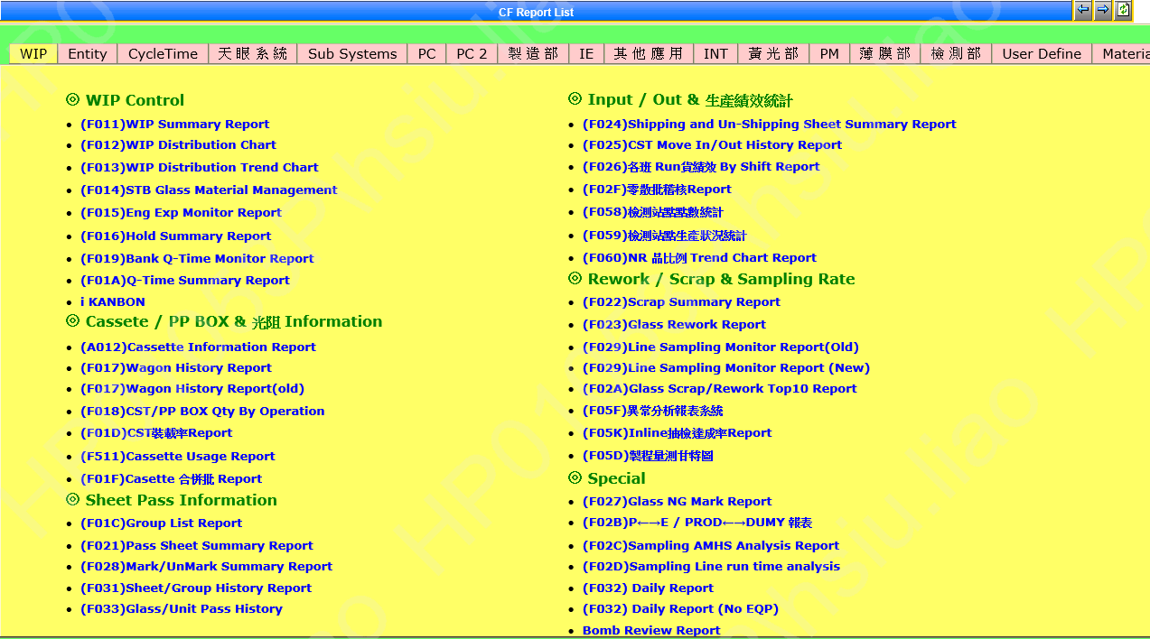



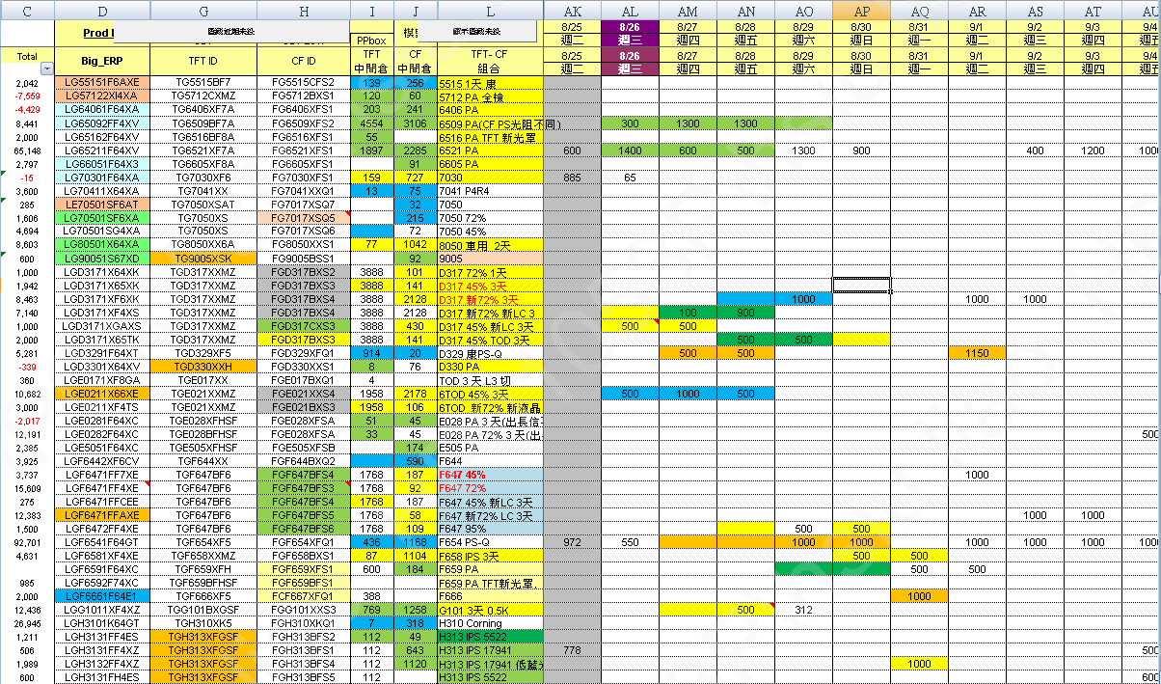

兩天需求

OC排程
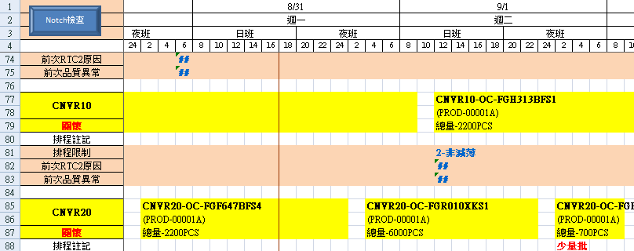
P:\MFG\排程物料組\Daily MPS

WIP 拉取手法
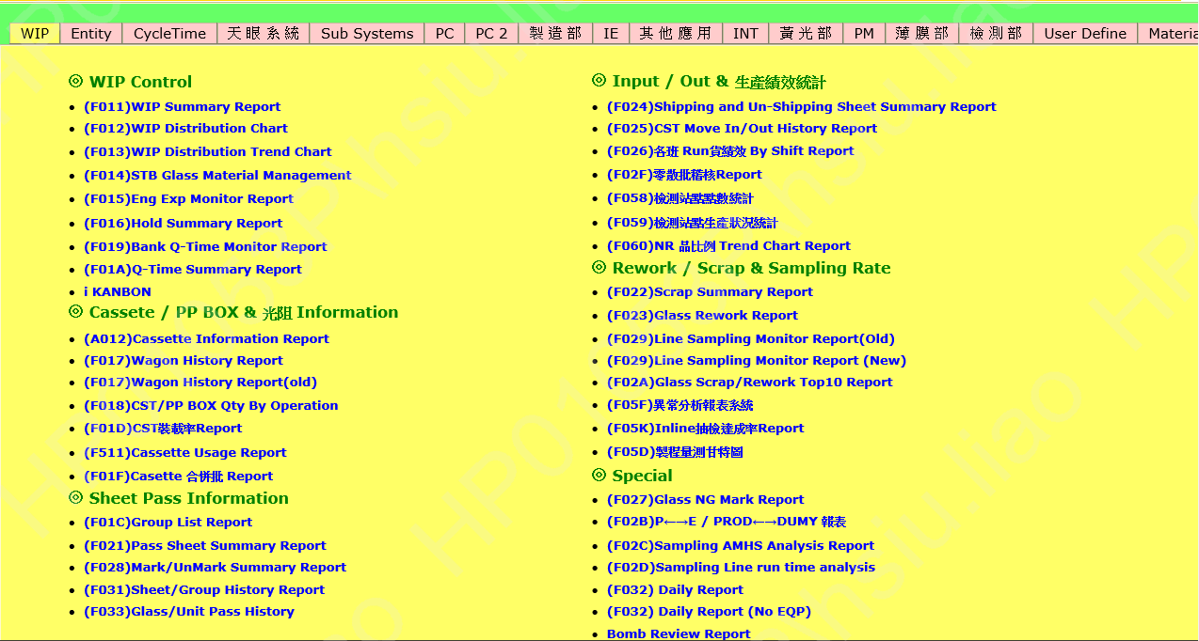
Oper. | Product | Owner | CST Qty* | Gls Qty | Cut Qty | Pnl Qty | Stay(Hrs)
000E | FGREBSFCG4 | RECY | 4 | 45 | 45 | 45 | 314.83
000E | FGREBSSCG5 | RECY | 2 | 9 | 9 | 9 | 565.32
000E | FGREOCFCG4 | RECY | 17 | 296 | 296 | 296 | 204.92
000E | FGREOCKCG5 | RECY | 5 | 57 | 57 | 57 | 284.72
000E | FGREOCWCG7 | RECY | 2 | 37 | 37 | 37 | 237.9
000E | FGREOCXCG4 | RECY | 9 | 180 | 180 | 180 | 53.43
200 | FG8050XXS1 | PROD | 1 | 3 | 18 | 186 | 0.65
200 | FGREOCXCG4 | RECY | 1 | 46 | 0 | 0 | 161.62
201 | FGF647BFS3 | PROD | 1 | 31 | 552 | 552 | 1.33
201 | FGF654XFQ1 | PROD | 1 | 60 | 1079 | 1079 | 0.35
201 | FGREBSFC54 | RECY | 1 | 59 | 59 | 59 | 24.72
201 | OGR010XKS1 | PROD | 1 | 1 | 6 | 6 | 83.45
205 | OGF647BFS6 | CRN0 | 4 | 181 | 3109 | 3109 | 4.93
205 | OGF658XXE1 | PROD | 2 | 61 | 1017 | 1017 | 23.05
206 | OGC004XXS1 | PD51 | 1 | 2 | 41 | 41 | 639.5
206 | OGR010XKS1 | PROD | 2 | 13 | 76 | 76 | 303.55
207 | OGE021XXE4 | PROD | 3 | 123 | 2400 | 2400 | 6.65
211 | FGL315BLSB | RD00 | 1 | 5 | 30 | 30 | 1436.83
211 | FGRECBFC54 | RECY | 4 | 145 | 145 | 145 | 121.08
211 | FGRECXKC55 | RECY | 5 | 159 | 159 | 159 | 435.88
211 | FGREOASC55 | RECY | 2 | 83 | 83 | 83 | 994.77
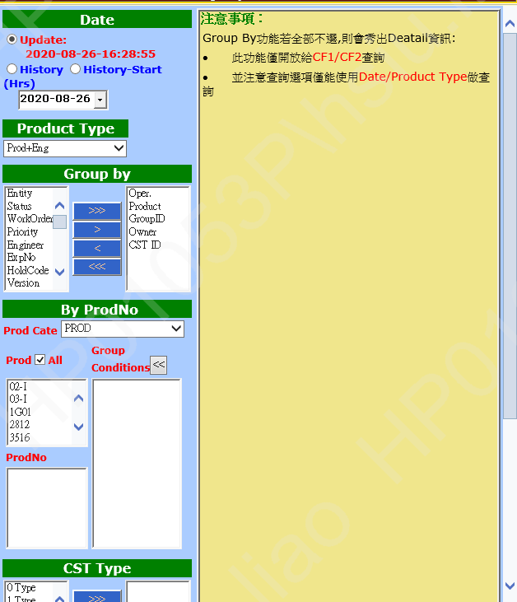
211 | FGREOAWC57 | RECY | 1 | 60 | 60 | 60 | 3242.57
211 | FGREOAXC54 | RECY | 9 | 518 | 518 | 518 | 2189.08
221 | FGREBSFC54 | RECY | 1 | 34 | 34 | 34 | 171.53
221 | FGREBSFCG4 | RECY | 1 | 8 | 8 | 8 | 67.43
221 | FGREBSSC55 | RECY | 4 | 75 | 75 | 75 | 3176.45
221 | FGREBSWC47 | RECY | 1 | 20 | 20 | 20 | 2820.35
221 | FGRECXKC55 | RECY | 1 | 31 | 31 | 31 | 421.73
221 | FGRECYFC54 | RECY | 2 | 88 | 88 | 88 | 227.82
221 | FGRECYXC54 | RECY | 2 | 88 | 88 | 88 | 270.67
221 | FGREOCKC45 | RECY | 1 | 28 | 28 | 28 | 152.23
221 | FGREOCXC54 | RECY | 1 | 45 | 45 | 45 | 209.47
221 | FGREOCXCG4 | RECY | 1 | 39 | 39 | 39 | 183.35
231 | OGD317XXE1 | PROD | 1 | 1 | 22 | 22 | 1497.3
231 | OGE021XXE2 | PROD | 2 | 32 | 604 | 604 | 611.73
232 | OGE021XXE2 | PROD | 1 | 1 | 19 | 19 | 259.97
232 | OGF658XXE1 | PROD | 2 | 120 | 2064 | 2064 | 182.1
233 | OGF658XXE1 | PD88 | 1 | 7 | 124 | 124 | 603.32
235 | OGE021XXE2 | PROD | 1 | 2 | 34 | 34 | 47.95
235 | OGF658XXE1 | PROD | 1 | 1 | 17 | 17 | 643
023A | FGBAREXSC2 | FTF5 | 1 | 57 | 57 | 57 | 3276.83
241 | FG6509XFS2 | PROD | 1 | 60 | 360 | 7175 | 185.38
241 | FG8050XXS1 | PROD | 1 | 42 | 252 | 2577 | 6.87
590 | OGD317XXE1 | PM00 | 1 | 9 | 216 | 216 | 385.92
801 | FGREOAXC54 | RECY | 1 | 9 | 9 | 9 | 40.33
801 | FGREOCXCG4 | RECY | 3 | 42 | 42 | 42 | 52.2
802 | FGREOCHC47 | RECY | 8 | 159 | 159 | 159 | 815.95
802 | FGREOCKC45 | RECY | 4 | 76 | 76 | 76 | 1247.4
802 | FGREOCKCG5 | RECY | 24 | 464 | 464 | 464 | 1804.55
篩出 INK WIP
802 | FGREOCXC44 | RECY | 6 | 120 | 120 | 120 | 1049.73
802 | FGREOCXCG4 | RECY | 12 | 240 | 240 | 240 | 1547.65
921 | FG6521XFS1 | FINS | 1 | 2 | 12 | 239 | 546.58
921 | FG6521XFS1 | FPH5 | 1 | 4 | 24 | 480 | 1240.33
921 | FG7030XFS1 | FPH5 | 1 | 2 | 12 | 156 | 735.38
921 | FGC503XFSA | FINT | 1 | 2 | 48 | 48 | 1131.85
921 | FGD317BXS2 | FPH5 | 1 | 2 | 48 | 48 | 1992.68
921 | FGE021XXS4 | FINS | 1 | 2 | 40 | 40 | 543.73
921 | FGF647BFS7 | FINT | 1 | 2 | 36 | 36 | 538.8
921 | FGG101XXS5 | FINT | 1 | 2 | 30 | 30 | 977.15
921 | FGL315BLSB | RD00 | 1 | 5 | 30 | 30 | 538.88
921 | FGR010XKS4 | FINS | 1 | 5 | 30 | 30 | 1843.82
921 | FGREBSWC47 | RECY | 9 | 192 | 192 | 192 | 2825.57
921 | FGREOAWC57 | RECY | 2 | 37 | 37 | 37 | 5286.67
921 | FGREOCWC47 | RECY | 3 | 49 | 49 | 49 | 3026.73
921 | OGD403XWS1 | PM00 | 1 | 1 | 14 | 14 | 774.32
1190 | OGD317XXS1 | PROD | 2 | 102 | 2360 | 2360 | 9.27
1190 | OGE021XXE4 | PROD | 4 | 240 | 4640 | 4640 | 2.73
1190 | OGF647XFS4 | CRN0 | 1 | 7 | 121 | 121 | 114.25
1190 | OGF647XFS4 | PD51 | 1 | 13 | 219 | 219 | 41.2
1190 | OGG101XXS3 | PROD | 1 | 60 | 856 | 856 | 9.07
1190 | OGL318XSSA | PD51 | 1 | 16 | 88 | 88 | 40.87
1190 | OGR010XKS1 | PROD | 1 | 2 | 10 | 10 | 86.77
1300 | FG6406XFS1 | PROD | 6 | 409 | 2454 | 49080 | 15.22
1300 | FGF654XFQ1 | PROD | 5 | 410 | 7380 | 7380 | 5.48
1300 | FGF659XFS1 | PROD | 1 | 60 | 1080 | 1080 | 5.27
1300 | FGF659XFS1 | RTCA | 2 | 53 | 954 | 954 | 5.27
1300 | FGRECBFC54 | RECY | 2 | 120 | 120 | 120 | 7.13
1310 | FG6406XFS1 | PROD | 1 | 60 | 360 | 7200 | 0.38
1310 | FGF654XFQ1 | PROD | 1 | 60 | 1080 | 1080 | 1.3
1320 | FGF659XFS1 | RTCA | 1 | 3 | 54 | 54 | 0.35
1340 | FG8050XXS1 | PROD | 1 | 59 | 354 | 3704 | 0.67
1340 | FGF647BFS5 | PROD | 1 | 1 | 18 | 18 | 1650.38
1340 | FGR010XKS1 | PROD | 1 | 60 | 359 | 359 | 5.63
1360 | FG6406XFS1 | PROD | 1 | 60 | 360 | 7200 | 1.37
1560 | FG6406XFS1 | PROD | 1 | 60 | 360 | 7200 | 0.42
1571 | FG6406XFS1 | PROD | 2 | 120 | 720 | 14400 | 2.18
1571 | FGF654XFQ1 | PROD | 1 | 60 | 1080 | 1080 | 0.33
1588 | FG6406XFS1 | PROD | 1 | 51 | 306 | 6120 | 27.68
15A1 | FG6406XFS1 | PROD | 1 | 58 | 348 | 6889 | 0.6
2300 | FG6406XFS1 | PROD | 26 | 1675 | 10050 | 200996 | 38.33
2300 | FG6406XFS1 | RTCA | 2 | 108 | 648 | 12960 | 34.62
2300 | FG6509XFS2 | FPH5 | 1 | 30 | 180 | 3600 | 2452.15
2300 | FGD317BXS3 | PROD | 19 | 1133 | 27192 | 27192 | 120.8
2300 | FGD324DXSA | RD00 | 1 | 5 | 120 | 120 | 741.27
2300 | FGE505XFSB | PROD | 8 | 511 | 10219 | 10219 | 20.47
2300 | FGF654XFQ1 | PROD | 12 | 720 | 12960 | 12960 | 7.17
2300 | FGF659XFS1 | PROD | 17 | 1003 | 18054 | 18054 | 65.98
2300 | FGF659XFS1 | RTCA | 1 | 4 | 72 | 72 | 2.2
2300 | FGR010XKS1 | PROD | 21 | 1247 | 7482 | 7482 | 38.07
2300 | FGR015BFS1 | FINT | 5 | 180 | 1080 | 1080 | 77.03
2310 | FGR010XKS1 | PROD | 1 | 60 | 360 | 360 | 1.05
2330 | FG6406XFS1 | PROD | 2 | 120 | 720 | 14400 | 1.72
2350 | FGR010XKS1 | PROD | 1 | 60 | 360 | 360 | 0.33
2560 | FG6406XFS1 | PROD | 1 | 60 | 360 | 7200 | 1.35
2560 | FGR010XKS1 | PROD | 1 | 60 | 360 | 360 | 2.42
26A1 | FGRECBFC54 | RECY | 2 | 108 | 108 | 108 | 12.43
26A1 | FGRECXKC55 | PROD | 1 | 60 | 60 | 60 | 61.22
2900 | FCRECBFC54 | RECY | 1 | 58 | 57 | 57 | 11.3
2900 | FCRECBKC55 | RECY | 1 | 33 | 32 | 32 | 12.98
2900 | FGREBSSC55 | RECY | 1 | 52 | 52 | 52 | 183.18
2900 | FGREBSXC54 | RECY | 1 | 23 | 23 | 23 | 185.25
2900 | FGRECBFC54 | RECY | 2 | 96 | 96 | 96 | 17.18
2900 | FGRECXKC55 | RECY | 1 | 50 | 50 | 50 | 244.33
2900 | FGREOAHC57 | RECY | 1 | 56 | 56 | 56 | 243.88
2900 | OGD317XXS3 | PROD | 6 | 360 | 8328 | 8328 | 2.63
2900 | OGU006XHQ6 | PROD | 1 | 3 | 6 | 6 | 592.85
2902 | FGRECXKC55 | RECY | 2 | 120 | 120 | 120 | 118.8
2902 | FGRECXSC55 | RECY | 2 | 101 | 101 | 101 | 161.47
2902 | FGRECYXC54 | RECY | 1 | 59 | 59 | 59 | 163.3
2902 | FGREOASC55 | RECY | 1 | 45 | 45 | 45 | 118.1
2902 | FGREOCFCG4 | RECY | 1 | 1 | 1 | 1 | 95.02
2902 | FGREOCXCG4 | RECY | 6 | 359 | 359 | 359 | 118.45
2903 | FGRECBFC54 | RECY | 2 | 118 | 118 | 118 | 23.03
2907 | FGREOAHC57 | RECY | 3 | 60 | 60 | 60 | 238.75
2907 | FGREOAXC54 | RECY | 3 | 179 | 179 | 179 | 148.32
2965 | OGD317XXS3 | PROD | 1 | 60 | 1383 | 1383 | 0.93
2970 | FGREBSWC57 | RECY | 2 | 23 | 23 | 23 | 47.12
2970 | FGREOAHC57 | RECY | 1 | 59 | 59 | 59 | 270.62
2970 | FGREOAXC54 | RECY | 1 | 51 | 51 | 51 | 33.93
2971 | FGRECBFC54 | RECY | 2 | 120 | 120 | 120 | 6.78
2996 | FG6516XFS1 | RECY | 1 | 3 | 24 | 336 | 10.68
2996 | FG6521XFS1 | PROD | 2 | 49 | 288 | 5728 | 68.72
2996 | FG6521XFS1 | RTCA | 1 | 5 | 30 | 600 | 71.53
2996 | FG8050XXS1 | FPH5 | 2 | 3 | 18 | 188 | 22.72
2996 | FG8050XXS1 | PROD | 1 | 26 | 67 | 432 | 107.98
2996 | FGD330XXS1 | PROD | 2 | 34 | 130 | 489 | 77.92
2996 | FGE021EWS5 | FINT | 1 | 48 | 907 | 907 | 838.32
2996 | FGE021GFS3 | FINT | 1 | 1 | 20 | 20 | 38.55
2996 | FGF647BFS3 | PROD | 3 | 11 | 172 | 172 | 19.75
2996 | FGF647BFS3 | RTCA | 1 | 1 | 18 | 18 | 24.57
2996 | FGF647BFS5 | PROD | 1 | 2 | 0 | 0 | 52.42
2996 | FGF647BFS6 | PROD | 2 | 14 | 190 | 190 | 58.93
2996 | FGF647BFS6 | RTCA | 1 | 11 | 198 | 198 | 67.83
2996 | FGF659BFS1 | FINT | 1 | 18 | 324 | 324 | 837.05
2996 | FGG101XXS3 | PROD | 1 | 3 | 10 | 10 | 79.05
2996 | FGR010XKS1 | RTCA | 1 | 2 | 12 | 12 | 1.32
2998 | FGRECBFC54 | RECY | 1 | 2 | 2 | 2 | 12.9
2999 | FG6406XFS1 | PROD | 1 | 56 | 336 | 6712 | 9.52
2999 | FG6516BFS1 | FINT | 1 | 1 | 8 | 112 | 101.15
2999 | FG6521XFS1 | PROD | 1 | 31 | 144 | 2880 | 52.18
2999 | FG7017XSQ5 | PROD | 1 | 60 | 480 | 4800 | 1649.57
2999 | FG7017XSQ6 | PROD | 1 | 41 | 328 | 3280 | 948.93
2999 | FG7017XSQ6 | RTCA | 1 | 19 | 152 | 1520 | 949.48
2999 | FG7041XXQ1 | PROD | 3 | 150 | 2086 | 11424 | 243.53
2999 | FG8050XXS1 | PROD | 14 | 711 | 3852 | 39337 | 819.18
2999 | FG8050XXS1 | RECY | 1 | 2 | 12 | 126 | 130.13
2999 | FG8050XXS1 | RTCA | 2 | 2 | 12 | 126 | 232.23
2999 | FGA801BXS1 | PROD | 2 | 60 | 900 | 2099 | 1985.53
2999 | FGC004BXS1 | PROD | 2 | 61 | 1708 | 1708 | 1811.23
2999 | FGD317BXS3 | PROD | 3 | 102 | 1706 | 1706 | 2059.5
2999 | FGD317BXS3 | RECY | 2 | 54 | 1296 | 1296 | 2029.62
2999 | FGD317BXS4 | PROD | 12 | 209 | 4119 | 4119 | 1911.4
2999 | FGD317BXS4 | RECY | 3 | 33 | 760 | 760 | 1282.18
2999 | FGD317BXS4 | RTCA | 2 | 7 | 168 | 168 | 1498.42
2999 | FGD330XXS1 | PROD | 3 | 11 | 54 | 208 | 1592.32
2999 | FGD330XXS1 | RECY | 1 | 1 | 6 | 24 | 1611.58
2999 | FGD330XXS1 | RTCA | 1 | 5 | 30 | 120 | 861.25
2999 | FGE021BXS3 | PROD | 3 | 113 | 2171 | 2171 | 1994.43
2999 | FGE021XXS4 | PROD | 5 | 199 | 3766 | 3766 | 1392.52
2999 | FGE021XXS4 | RECY | 2 | 20 | 400 | 400 | 1373.13
2999 | FGF644BXQ2 | PROD | 1 | 59 | 1062 | 1062 | 2305.87
2999 | FGF644BXQ2 | RECY | 1 | 45 | 810 | 810 | 866.52
2999 | FGF647BFS3 | PROD | 2 | 35 | 493 | 493 | 65.28
2999 | FGF647BFS3 | RTCA | 2 | 2 | 36 | 36 | 82.63
2999 | FGF647BFS6 | PROD | 2 | 23 | 379 | 379 | 75.87
2999 | FGF654XFQ1 | PROD | 2 | 59 | 1041 | 1041 | 71.67
2999 | FGF654XFQ1 | RTCA | 1 | 2 | 36 | 36 | 73.87
2999 | FGF658BXS1 | PROD | 3 | 63 | 1034 | 1034 | 1091.77
2999 | FGF658BXS1 | RECY | 1 | 7 | 126 | 126 | 1197.47
2999 | FGF658BXS1 | RTCA | 1 | 2 | 36 | 36 | 335.8
2999 | FGF659XFS1 | PROD | 1 | 12 | 208 | 208 | 40.5
2999 | FGG101XXS3 | PROD | 3 | 73 | 970 | 970 | 1214.12
2999 | FGR010XKS1 | PROD | 5 | 211 | 1051 | 1051 | 453.63
2999 | FGR010XKS1 | RTCA | 1 | 5 | 30 | 30 | 444.4
2999 | FGR014XKS1 | RD00 | 1 | 2 | 12 | 12 | 289.32
2999 | FGR015BFS1 | FINT | 1 | 59 | 348 | 348 | 38.07
2999 | FGU006XHQ1 | PROD | 2 | 81 | 158 | 158 | 1067.4
2999 | FGU006XHQ1 | RECY | 1 | 11 | 24 | 24 | 1046.77
2999 | FGU006XHQ1 | RTCA | 1 | 3 | 9 | 9 | 1077.23
29A1 | FGRECBFC54 | RECY | 1 | 1 | 1 | 1 | 14.8
29A1 | OG8050XXS1 | PD51 | 1 | 13 | 78 | 738 | 101.08
29A1 | OGD317XXS3 | PROD | 1 | 60 | 1384 | 1384 | 0.42
29A1 | OGF647BFS6 | CRN0 | 1 | 1 | 18 | 18 | 4.27
29A1 | OGF647BFS6 | PD51 | 1 | 14 | 243 | 243 | 10.53
29A1 | OGF670XFS1 | PROD | 1 | 5 | 90 | 90 | 31.22
29A1 | OGR010XKS1 | PD51 | 1 | 12 | 67 | 67 | 23.72
3300 | FG6406XFS1 | RTCA | 1 | 8 | 48 | 960 | 4.23
3300 | FGE505XFSB | PROD | 13 | 817 | 16340 | 16340 | 9.73
3300 | FGF659BFS3 | FPH5 | 1 | 4 | 72 | 72 | 525.43
3300 | FGR010XKS1 | PROD | 28 | 1681 | 10084 | 10084 | 39.57
3300 | FGR010XKS1 | RTCA | 1 | 52 | 312 | 312 | 2.7
3330 | FG6406XFS1 | RTCA | 1 | 2 | 12 | 240 | 0.45
3350 | FG6406XFS1 | RTCA | 1 | 2 | 12 | 240 | 0.33
4300 | FGA113CXS2 | PROD | 1 | 30 | 450 | 1050 | 1736.93
4300 | FGD317BXS4 | PROD | 5 | 490 | 11751 | 11751 | 23.7
4300 | FGE021BXS3 | PROD | 1 | 60 | 1200 | 1200 | 276.07
4300 | FGE031XFSC | FINT | 2 | 19 | 380 | 380 | 462.07
4300 | FGE505XFSB | PROD | 4 | 249 | 4980 | 4980 | 2.87
4300 | FGF647BFS3 | PROD | 5 | 344 | 6187 | 6187 | 30
4300 | FGR010XKS1 | PROD | 3 | 180 | 1080 | 1080 | 22.33
4300 | FGR010XKS1 | RTCA | 2 | 64 | 384 | 384 | 21.38
4310 | FGE505XFSB | PROD | 1 | 60 | 1200 | 1200 | 1.17
4330 | FG6516BFS1 | FINT | 1 | 1 | 8 | 112 | 1.4
4330 | FGD317BXS4 | PROD | 1 | 60 | 1440 | 1440 | 0.33
4330 | FGE021EWS5 | FINT | 1 | 10 | 200 | 200 | 88.47
4350 | FGF647BFS3 | PROD | 1 | 60 | 1080 | 1080 | 0.28
4390 | FGE505XFSB | PROD | 1 | 60 | 1200 | 1200 | 0.42
4390 | FGF647BFS3 | PROD | 1 | 60 | 1080 | 1080 | 0.27
4560 | FGD317BXS4 | PROD | 4 | 281 | 6744 | 6744 | 1.35
4560 | FGE033XWSA | FINT | 1 | 19 | 380 | 380 | 70.63
4560 | FGE505XFSB | PROD | 1 | 60 | 1200 | 1200 | 0.47
4560 | FGE505XFSB | RTCA | 1 | 3 | 60 | 60 | 5.55
4560 | FGF654XFQ1 | PROD | 4 | 240 | 4320 | 4320 | 38.5
4565 | FGE505XFSB | PROD | 1 | 60 | 1200 | 1200 | 1.2
4569 | FGD317BXS4 | PROD | 1 | 4 | 96 | 96 | 8.78
4569 | FGF647BFS3 | PROD | 2 | 31 | 558 | 558 | 29.88
4569 | FGR010XKS1 | PROD | 2 | 20 | 120 | 120 | 51.58
4570 | FGD317BXS4 | PROD | 7 | 418 | 10019 | 10019 | 3.93
4570 | FGF647BFS3 | PROD | 4 | 240 | 4317 | 4317 | 1.43
4570 | FGR010XKS1 | PROD | 4 | 206 | 1232 | 1232 | 5.82
4571 | FGD317BXS4 | PROD | 1 | 60 | 1440 | 1440 | 0.57
4571 | FGF647BFS3 | PROD | 1 | 60 | 1080 | 1080 | 0.32
4571 | FGR010XKS1 | PROD | 1 | 1 | 6 | 6 | 1.1
4581 | FGD317BXS4 | PROD | 1 | 45 | 1080 | 1080 | 1.92
4581 | FGF647BFS3 | PROD | 1 | 17 | 306 | 306 | 0.72
4581 | FGR010XKS1 | PROD | 1 | 24 | 144 | 144 | 3.35
4588 | FGF654XFQ1 | PROD | 1 | 45 | 810 | 810 | 8.17
4590 | FGD317BXS4 | PROD | 1 | 60 | 1440 | 1440 | 3.45
4599 | FGD317BXS4 | PROD | 1 | 10 | 215 | 215 | 1.97
4599 | FGF647BFS3 | PROD | 1 | 7 | 126 | 126 | 12.08
4599 | FGR010XKS1 | PROD | 1 | 1 | 6 | 6 | 1.13
5200 | OGD317XXE1 | PROD | 1 | 1 | 22 | 22 | 171.95
5200 | OGE021XXE2 | PROD | 2 | 2 | 37 | 37 | 350.15
5200 | OGG101XXS3 | PROD | 3 | 139 | 1920 | 1920 | 1.97
5200 | OGR010XKS4 | PM00 | 1 | 20 | 119 | 119 | 0.93
5202 | FGF654XFQ1 | PROD | 10 | 586 | 10547 | 10547 | 34.68
5231 | OGE033XWE2 | PM00 | 1 | 57 | 1105 | 1105 | 4
5290 | OGF658XXE1 | PROD | 1 | 60 | 1019 | 1019 | 2.27
52A1 | OGF647BFS6 | CRN0 | 2 | 120 | 2085 | 2085 | 4.15
52A1 | OGF658XXE1 | PROD | 1 | 48 | 814 | 814 | 0.32
52A1 | OGG101XXS3 | PD88 | 1 | 25 | 357 | 357 | 112.92
52A1 | OGL314CHSA | INT0 | 1 | 6 | 35 | 35 | 26.3
5560 | FGF654XFQ1 | PROD | 1 | 60 | 1080 | 1080 | 5.7
5560 | OGF647BFS6 | CRN0 | 1 | 60 | 1050 | 1050 | 5.42
5571 | FGF654XFQ1 | PROD | 1 | 60 | 1080 | 1080 | 2.38
5601 | OGE021XXE4 | PROD | 1 | 60 | 1167 | 1167 | 0.7
5603 | FGF654XFQ1 | PROD | 1 | 60 | 1080 | 1080 | 0.45
5630 | FGF654XFQ1 | PROD | 1 | 60 | 1080 | 1080 | 0.45
56A1 | FGF654XFQ1 | PROD | 5 | 300 | 5400 | 5400 | 4.67
5803 | OGR010XKS1 | FINS | 1 | 2 | 12 | 12 | 1116.42
5803 | OGU006XHQ6 | PROD | 1 | 1 | 2 | 2 | 522.12
5804 | OG8050XXS1 | PD51 | 1 | 1 | 6 | 60 | 49.02
5804 | OGC310XVS3 | PM00 | 1 | 4 | 100 | 100 | 1377.3
5804 | OGD317CXS5 | PD51 | 1 | 1 | 22 | 22 | 1393.15
5804 | OGD317XXS1 | PD51 | 2 | 15 | 343 | 343 | 153.47
5804 | OGD317XXS3 | PD51 | 1 | 8 | 185 | 185 | 414.4
5804 | OGE021XXE2 | PROD | 1 | 1 | 19 | 19 | 1740.93
5804 | OGF641XXS6 | PD51 | 1 | 20 | 333 | 333 | 362.83
5804 | OGF641XXS6 | PROD | 1 | 7 | 119 | 119 | 362.83
5804 | OGF647XFS6 | PD51 | 1 | 12 | 212 | 212 | 940.85
5804 | OGG101XXS3 | PD51 | 2 | 5 | 67 | 67 | 301.62
5804 | OGH313BFS1 | PD51 | 1 | 4 | 48 | 48 | 61.22
5804 | OGL308XSSA | PD51 | 1 | 4 | 21 | 21 | 149.85
5804 | OGL314CHSA | PD51 | 1 | 2 | 10 | 10 | 1412.88
5804 | OGR010XKS1 | PD82 | 3 | 131 | 750 | 750 | 1.03
5804 | OGU006XHQ6 | PROD | 3 | 60 | 152 | 152 | 534.85
5900 | FGBAREXSC2 | RECY | 2 | 40 | 40 | 40 | 1840.05
5900 | FGRECXKC55 | RECY | 6 | 120 | 120 | 120 | 3768.55
5900 | FGRECYFC54 | RECY | 1 | 8 | 8 | 8 | 505
5996 | FGE028XFSA | PROD | 2 | 57 | 1035 | 1035 | 149.82
5996 | FGE028XFSA | RECY | 1 | 1 | 20 | 20 | 96.05
5996 | FGE028XFSA | RTCA | 1 | 1 | 20 | 20 | 154.5
5996 | FGL314DHSA | PROD | 1 | 21 | 98 | 98 | 535.35
5996 | FGL314DHSA | RTCA | 2 | 68 | 408 | 408 | 541.95
5996 | FGL315BLSA | FINT | 1 | 25 | 149 | 149 | 1626.65
5996 | FGL315BLSB | FINT | 2 | 26 | 148 | 148 | 1661.43
5996 | FGL315BLSC | FINT | 2 | 22 | 125 | 125 | 1648.23
5996 | FGU008XKSA | FINT | 4 | 14 | 42 | 42 | 17.8
5997 | OGD317XXS3 | PROD | 1 | 1 | 23 | 23 | 310.37
5997 | OGR007XKS1 | CRN0 | 1 | 1 | 6 | 6 | 1273.95
5998 | FGD330XXS1 | PROD | 1 | 10 | 60 | 236 | 122.52
5998 | FGE028XFSA | PROD | 1 | 53 | 1029 | 1029 | 259.57
5998 | FGE028XFSA | RTCA | 1 | 2 | 40 | 40 | 197.37
5998 | FGE505XFSB | PROD | 5 | 44 | 877 | 877 | 42.9
5998 | FGE505XFSB | RTCA | 3 | 14 | 280 | 280 | 45.37
5998 | FGL308XSSA | PROD | 2 | 95 | 488 | 488 | 723.08
5998 | FGL308XSSA | RECY | 1 | 7 | 42 | 42 | 697.53
5998 | FGL308XSSA | RTCA | 1 | 1 | 6 | 6 | 724.5
5998 | FGL314DHSA | PROD | 3 | 87 | 387 | 387 | 2375
5998 | FGL314DHSA | RTCA | 3 | 59 | 354 | 354 | 2331.53
5998 | FGL315BLSA | FINT | 1 | 12 | 68 | 68 | 1745.1
5998 | FGL315BLSB | FINT | 1 | 3 | 14 | 14 | 1701.32
5998 | FGL318XSSA | PROD | 1 | 60 | 308 | 308 | 1229.1
5998 | FGU008XKSA | FINT | 1 | 23 | 54 | 54 | 100.45
5999 | FG7041XXQ1 | PROD | 2 | 61 | 716 | 3864 | 161.6
5999 | FGD329XFQ1 | PROD | 1 | 55 | 1272 | 1272 | 125.95
5999 | FGF654XFQ1 | PROD | 3 | 38 | 615 | 615 | 46.2
5999 | FGF654XFQ1 | RECY | 1 | 53 | 935 | 935 | 51.8
59A0 | OGD317CFS1 | PM00 | 1 | 15 | 242 | 242 | 5.88
7200 | FGD317BXS4 | RTCA | 1 | 3 | 72 | 72 | 0.47
7300 | FG6509XFS2 | PROD | 5 | 276 | 1656 | 33091 | 369.43
7300 | FG6516BFS1 | FINT | 3 | 67 | 536 | 7496 | 8.92
7300 | FGC503XFSA | FINT | 4 | 94 | 2210 | 2210 | 1139.55
7300 | FGD317EFS3 | FINT | 2 | 75 | 1800 | 1800 | 559.88
7300 | FGD317EFS4 | FINT | 2 | 63 | 1512 | 1512 | 848.88
7300 | FGD317EFS5 | FINT | 2 | 91 | 2184 | 2184 | 511.47
7300 | FGD329XFQ1 | PROD | 34 | 1993 | 47812 | 47812 | 97.88
7300 | FGE021GFS3 | FINT | 2 | 67 | 1340 | 1340 | 175.72
7300 | FGF647BFS3 | PROD | 7 | 450 | 8100 | 8100 | 5.95
7300 | FGF654XFQ1 | PROD | 9 | 710 | 12780 | 12780 | 5.77
7300 | FGF654XFQ4 | FPH5 | 1 | 49 | 882 | 882 | 1938.97
7300 | FGG101XXS3 | RD00 | 1 | 40 | 600 | 600 | 218.83
7300 | FGG101XXS5 | FINT | 3 | 69 | 1035 | 1035 | 1120.53
7300 | FGH317XFS1 | FINT | 4 | 134 | 1608 | 1608 | 1652.77
7300 | FGR010XKS1 | FPH5 | 1 | 39 | 234 | 234 | 1700.72
7300 | FGR010XKS1 | PROD | 25 | 1419 | 8476 | 8476 | 45.28
7300 | FGR010XKS1 | RTCA | 2 | 58 | 348 | 348 | 24.38
7300 | FGU008XKSA | FINT | 5 | 120 | 360 | 360 | 11.72
7310 | FGE021GFS3 | FINT | 2 | 16 | 320 | 320 | 3.13
7310 | FGF647BFS3 | PROD | 1 | 48 | 861 | 861 | 0.28
7310 | FGF654XFQ1 | PROD | 1 | 60 | 1077 | 1077 | 0.73
7312 | FGF647BFS3 | PROD | 1 | 48 | 864 | 864 | 0.38
7340 | FGF654XFQ1 | PROD | 1 | 60 | 1080 | 1080 | 0.27
7390 | FGF654XFQ1 | PROD | 1 | 60 | 1080 | 1080 | 0.32
7560 | FG6509XFS2 | FINS | 1 | 14 | 84 | 1675 | 173.03
7560 | FG6509XFS2 | PROD | 1 | 55 | 330 | 6572 | 215.23
7560 | FG6521XFS1 | FINS | 1 | 60 | 346 | 6830 | 12.37
7560 | FG6521XFS1 | PROD | 44 | 2466 | 14796 | 295533 | 39.02
7560 | FGD317EFS5 | FINT | 1 | 3 | 72 | 72 | 72.27
7560 | FGD330XXS1 | FINS | 1 | 20 | 120 | 480 | 73.73
7560 | FGE021EWS5 | FINT | 2 | 64 | 1280 | 1280 | 23.87
7560 | FGE028XFSA | FINS | 1 | 53 | 1056 | 1056 | 130
7560 | FGF647BFS3 | PROD | 2 | 41 | 738 | 738 | 0.48
7560 | FGF654BFQ1 | FINT | 1 | 24 | 432 | 432 | 166.4
7560 | FGF654XFQ1 | PROD | 2 | 120 | 2160 | 2160 | 0.55
7560 | FGF659BFS3 | FINT | 1 | 24 | 428 | 428 | 175.98
7560 | FGH310XKQ1 | PROD | 1 | 1 | 12 | 12 | 343.05
7560 | FGR010XKS1 | FINS | 1 | 35 | 208 | 208 | 150.15
7560 | FGR014XKS1 | RD00 | 2 | 82 | 429 | 429 | 161.85
7560 | FGR014XKSA | RD00 | 1 | 15 | 90 | 90 | 152.82
7569 | FG6521XFS1 | PROD | 1 | 3 | 18 | 360 | 30.02
7569 | FG7041XXQ1 | PROD | 1 | 11 | 154 | 847 | 17.6
7569 | FG8050XXS1 | PROD | 1 | 11 | 48 | 388 | 113.35
7569 | FGE021BXS3 | FINS | 1 | 33 | 627 | 627 | 55.32
7569 | FGE505XFSB | CRN0 | 1 | 1 | 20 | 20 | 3.97
7569 | FGF644BXQ2 | PROD | 2 | 63 | 1116 | 1116 | 92.83
7569 | FGF647BFS3 | PROD | 1 | 1 | 18 | 18 | 15.4
7569 | FGF654XFQ1 | PROD | 1 | 1 | 18 | 18 | 24
7570 | FG6516XFS1 | PROD | 14 | 800 | 6400 | 89418 | 60.5
7570 | FG6521XFS1 | PROD | 8 | 477 | 2862 | 57106 | 24
7570 | FG7041XXQ1 | PROD | 14 | 797 | 11158 | 61192 | 53.7
7570 | FG8050XXS1 | PROD | 6 | 337 | 2022 | 21073 | 95.12
7570 | FGD329XFQ1 | FINS | 1 | 3 | 68 | 68 | 22.93
7570 | FGD330XXS1 | PROD | 19 | 1104 | 6597 | 26284 | 58.22
7570 | FGE505XFSB | CRN0 | 1 | 60 | 1173 | 1173 | 0.57
7570 | FGF644BXQ2 | PROD | 1 | 15 | 270 | 270 | 78.1
7570 | FGF647BFS3 | PROD | 1 | 55 | 990 | 990 | 2.27
7570 | FGF647BFS4 | FPH5 | 1 | 44 | 653 | 653 | 360.77
7570 | FGF654XFQ1 | PROD | 7 | 363 | 6520 | 6520 | 4.12
7570 | FGG101XXS3 | PROD | 8 | 450 | 6726 | 6726 | 85.85
7570 | FGR010XKS1 | PROD | 1 | 18 | 98 | 98 | 70.4
7571 | FG6521XFS1 | PROD | 8 | 429 | 2574 | 51450 | 24.62
7571 | FG7041XXQ1 | PROD | 2 | 101 | 1414 | 7770 | 17.45
7571 | FGE505XFSB | CRN0 | 3 | 162 | 3208 | 3208 | 3.22
7571 | FGF647BFS3 | PROD | 1 | 44 | 791 | 791 | 0.33
7571 | FGF654XFQ1 | PROD | 7 | 420 | 7560 | 7560 | 3.93
7581 | FG7041XXQ1 | PROD | 3 | 169 | 2366 | 12974 | 115.52
7581 | FGF644BXQ2 | PROD | 2 | 120 | 2153 | 2153 | 72.47
7581 | FGF654XFQ1 | PROD | 4 | 145 | 2592 | 2592 | 7.52
7590 | FG6521XFS1 | PROD | 1 | 33 | 198 | 3928 | 0.77
7599 | FGF647BFS3 | PROD | 2 | 3 | 36 | 36 | 2.82
8300 | FGD317BXS4 | PROD | 8 | 414 | 9935 | 9935 | 5.5
8300 | FGD317EFS5 | FINT | 1 | 4 | 96 | 96 | 480.57
8300 | FGF647BFS3 | PROD | 2 | 153 | 2746 | 2746 | 2.6
8300 | FGR010XKS1 | PROD | 16 | 909 | 5408 | 5408 | 24.42
8310 | FG6516BFS1 | FINT | 1 | 5 | 40 | 559 | 1.1
8310 | FGD317BXS4 | PROD | 1 | 60 | 1440 | 1440 | 0.67
8313 | FGL308CKSA | FINT | 1 | 3 | 18 | 18 | 1792.67
8330 | FGF647BFS3 | PROD | 1 | 56 | 1007 | 1007 | 1.15
8330 | FGU008XKSA | FINT | 1 | 3 | 9 | 9 | 8.45
8560 | FGF647BFS3 | PROD | 1 | 60 | 1079 | 1079 | 5.37
9080 | FGF647BFS3 | PROD | 1 | 42 | 755 | 755 | 7.15
9080 | FGR010XKS1 | RTCA | 1 | 4 | 24 | 24 | 1.88
9080 | FGRECBFC54 | RECY | 2 | 41 | 41 | 41 | 17.82
9080 | FGRECXKC55 | RECY | 2 | 112 | 112 | 112 | 698.78
9080 | OGE021XXE4 | PROD | 1 | 13 | 247 | 247 | 20.42
9080 | OGF647BFS6 | CRN0 | 2 | 20 | 338 | 338 | 11.95
9080 | OGG101XXS3 | PROD | 1 | 1 | 15 | 15 | 460.08
9080 | OGH313BFS1 | CRN0 | 1 | 1 | 12 | 12 | 518.93
9080 | OGR007XKS1 | PD51 | 2 | 17 | 95 | 95 | 322.97
9080 | OGR010XKS1 | PROD | 1 | 1 | 6 | 6 | 298.37
9081 | FG6406XFS1 | PROD | 4 | 240 | 1436 | 26874 | 8.58
9081 | FG6516XFS1 | PROD | 2 | 79 | 632 | 8821 | 8.42
9081 | FG6521XFS1 | PROD | 3 | 158 | 948 | 18930 | 41.57
9081 | FGF647BFS3 | PROD | 2 | 4 | 69 | 69 | 4.55
9081 | FGF654XFQ1 | PROD | 2 | 95 | 1706 | 1706 | 1.1
9081 | FGR010XKS1 | PROD | 5 | 207 | 1227 | 1227 | 24.6
9081 | FGREOCXC44 | RECY | 1 | 50 | 50 | 50 | 384.12
9081 | OGF670XFS1 | PROD | 1 | 3 | 54 | 54 | 654.42
9081 | OGR010XKS1 | PD51 | 1 | 45 | 260 | 260 | 326.1
9199 | FG5515CFS2 | FINS | 2 | 76 | 456 | 10836 | 126.85
9199 | FG6406XFS1 | PROD | 1 | 37 | 222 | 4418 | 981.6
9199 | FG6509XFS2 | PROD | 7 | 142 | 852 | 16961 | 204.33
9199 | FG6516XFS1 | PROD | 3 | 68 | 544 | 7555 | 47.68
9199 | FG6521XFS1 | PROD | 5 | 141 | 787 | 14513 | 183.93
9199 | FG6605BFS1 | PROD | 1 | 22 | 132 | 2626 | 670.42
9199 | FG7017XSQ6 | PROD | 1 | 59 | 472 | 4684 | 848.4
9199 | FG7041XXQ1 | MFG5 | 1 | 2 | 28 | 154 | 101.6
9199 | FG7041XXQ1 | PROD | 7 | 217 | 3038 | 16637 | 132.6
9199 | FG8050XXS1 | PROD | 4 | 75 | 450 | 4642 | 59.3
9199 | FGD317BXS4 | PROD | 1 | 24 | 564 | 564 | 462.47
9199 | FGD317CWS6 | FINT | 1 | 20 | 468 | 468 | 551.08
9199 | FGD317CXS3 | PROD | 1 | 22 | 528 | 528 | 189.75
9199 | FGD317CXS4 | PROD | 1 | 40 | 957 | 957 | 1757.4
9199 | FGD329XFQ1 | PROD | 2 | 29 | 592 | 592 | 78.18
9199 | FGD330XXS1 | PROD | 2 | 7 | 42 | 165 | 9.28
9199 | FGE021XXS3 | PROD | 1 | 59 | 1177 | 1177 | 436.17
9199 | FGE021XXS4 | CRN0 | 1 | 58 | 1160 | 1160 | 149.53
9199 | FGE021XXS4 | PROD | 1 | 14 | 280 | 280 | 287.08
9199 | FGE028XFSA | FPH5 | 1 | 5 | 100 | 100 | 1853.75
9199 | FGE028XFSA | PROD | 2 | 34 | 679 | 679 | 54.92
9199 | FGE031XFSB | FINT | 1 | 35 | 683 | 683 | 203.85
9199 | FGE031XFSC | FINT | 1 | 25 | 491 | 491 | 204.57
9199 | FGE505XFSB | CRN0 | 1 | 2 | 38 | 38 | 64.82
9199 | FGF644BXQ2 | PROD | 2 | 77 | 1335 | 1335 | 80.45
9199 | FGF647BFS3 | PROD | 6 | 26 | 395 | 395 | 8.32
9199 | FGF647BFS4 | PROD | 3 | 119 | 2073 | 2073 | 375.32
9199 | FGF647BFS6 | PROD | 1 | 41 | 693 | 693 | 33.92
9199 | FGF654XFQ1 | PROD | 4 | 53 | 938 | 938 | 23.2
9199 | FGF658BXS1 | PROD | 1 | 39 | 699 | 699 | 248.58
9199 | FGF659XFS1 | PROD | 2 | 61 | 1061 | 1061 | 436.6
9199 | FGG101XXS3 | PROD | 2 | 62 | 892 | 892 | 144.28
9199 | FGH310XKQ1 | PROD | 3 | 81 | 936 | 936 | 784.18
9199 | FGH313BFS1 | PROD | 1 | 7 | 84 | 84 | 221.97
9199 | FGH313BFS4 | PROD | 1 | 32 | 383 | 383 | 287.65
9199 | FGH313BFS5 | PROD | 1 | 5 | 43 | 43 | 344.37
9199 | FGH313BFS6 | PROD | 1 | 53 | 631 | 631 | 342.5
9199 | FGL308XSSA | PROD | 1 | 10 | 60 | 60 | 265.77
9199 | FGL318XSSA | PROD | 1 | 56 | 330 | 330 | 793.6
9199 | FGR010XKS1 | PROD | 2 | 51 | 303 | 303 | 166.4
9199 | FGR010XKS4 | CRN0 | 2 | 89 | 528 | 528 | 1065.13
9199 | FGR014XKS1 | RD00 | 1 | 39 | 225 | 225 | 1242.23
9199 | FGU006XHQ1 | PROD | 1 | 40 | 120 | 120 | 945.58
9500 | FG6509XFS2 | FPH5 | 4 | 211 | 1260 | 25081 | 266.82
9500 | FG8050XXS1 | PROD | 1 | 60 | 360 | 3751 | 1.15
9500 | FGD317CWS6 | FINT | 1 | 39 | 886 | 886 | 453.23
9500 | FGD324DXSA | RD00 | 1 | 57 | 1298 | 1298 | 436.72
9500 | FGE028XFSE | FINT | 1 | 24 | 464 | 464 | 843.42
9500 | FGE033XWSA | FINT | 1 | 28 | 539 | 539 | 474.95
9500 | FGF647BFS7 | FINT | 1 | 16 | 285 | 285 | 545.32
9500 | FGF654XFQ1 | PROD | 2 | 120 | 2148 | 2148 | 1.65
9500 | FGF659BFS2 | FINT | 1 | 60 | 1061 | 1061 | 341.98
9507 | FG5515CFS2 | FINS | 1 | 60 | 360 | 8605 | 870.9
9507 | FG5515CFS2 | FPH5 | 1 | 60 | 360 | 8628 | 75.37
9507 | FG5515CFS2 | PROD | 1 | 20 | 114 | 2709 | 2140.72
9507 | FG6509XFS2 | FPH5 | 1 | 50 | 300 | 5667 | 699.73
9507 | FG6509XFS2 | PROD | 10 | 566 | 3384 | 67032 | 493.83
9507 | FG6521XFS1 | PROD | 3 | 180 | 872 | 9901 | 105.93
9507 | FG6605XFS1 | PROD | 1 | 32 | 192 | 3803 | 243.62
9507 | FG7017XSQ5 | PROD | 1 | 53 | 424 | 4222 | 548.6
9507 | FG7017XSQ6 | PROD | 1 | 7 | 56 | 559 | 700.25
9507 | FG7030XFS1 | PROD | 2 | 120 | 720 | 9064 | 2709.62
9507 | FG8008XKQ3 | PROD | 1 | 42 | 882 | 2622 | 1043
9507 | FG8050XXS1 | FPH5 | 1 | 60 | 360 | 3737 | 106.15
9507 | FG8050XXS1 | PROD | 3 | 177 | 1062 | 10732 | 326.63
9507 | FGB605XXS4 | PROD | 2 | 94 | 752 | 2987 | 3669.83
9507 | FGD325CFS1 | PROD | 1 | 56 | 1325 | 1325 | 904.72
9507 | FGD330XXS1 | PROD | 1 | 60 | 360 | 1437 | 54.73
9507 | FGE028XFSA | PROD | 1 | 60 | 1181 | 1181 | 212.98
9507 | FGF644BXQ2 | PROD | 1 | 29 | 520 | 520 | 700.6
9507 | FGF659XFS1 | PROD | 1 | 60 | 1068 | 1068 | 2356.08
9507 | FGG101XXS1 | PROD | 1 | 31 | 464 | 464 | 6650.4
9507 | FGG101XXS3 | PROD | 1 | 56 | 778 | 778 | 2161.83
9507 | FGH313BFS1 | PROD | 2 | 52 | 611 | 611 | 700.28
9507 | FGH313BFS6 | PROD | 1 | 60 | 719 | 719 | 2220.88
9507 | FGR010XKS2 | PROD | 1 | 48 | 274 | 274 | 1802
9509 | FG7030XFS1 | PROD | 5 | 257 | 1542 | 19911 | 448.42
9509 | FG8008XKQ3 | PROD | 3 | 139 | 2919 | 8713 | 723.42
9509 | FGA108XSQ3 | CRN0 | 1 | 47 | 470 | 1861 | 844.25
9509 | FGA108XSQ3 | PROD | 2 | 120 | 1200 | 4761 | 844.87
9509 | FGA801BXS1 | CRN0 | 5 | 269 | 4035 | 9377 | 161.87
9509 | FGB605XXS4 | PROD | 1 | 53 | 424 | 1683 | 2354.43
9509 | FGC004BXS1 | CRN0 | 2 | 94 | 2604 | 2604 | 1143.22
9509 | FGC004BXS1 | PROD | 3 | 126 | 3477 | 3477 | 1712.3
9509 | FGC501BXS2 | CRN0 | 3 | 169 | 4017 | 4017 | 175.72
9509 | FGD324CXSA | CRN0 | 2 | 120 | 2857 | 2857 | 166.65
9509 | FGD324CXSA | PROD | 2 | 120 | 2840 | 2840 | 165.13
9509 | FGF617XSQ5 | CRN0 | 3 | 179 | 3191 | 3191 | 157.78
9509 | FGF638XSQ3 | PROD | 8 | 480 | 8550 | 8550 | 2147.83
9509 | FGF641XXS4 | PD87 | 1 | 59 | 1062 | 1062 | 1106.75
9509 | FGF641XXS4 | PROD | 1 | 41 | 731 | 731 | 539.22
9509 | FGF644BFQ2 | PROD | 2 | 68 | 1203 | 1203 | 2703.33
9509 | FGF644BXQ2 | PROD | 9 | 524 | 9345 | 9345 | 743.52
9509 | FGF670XFS1 | PROD | 2 | 81 | 1453 | 1453 | 167.83
9509 | FGH310XKQ1 | PROD | 3 | 180 | 2137 | 2137 | 899.2
9511 | FG7041XXQ1 | PROD | 5 | 255 | 3570 | 19580 | 20.13
9511 | FGD317BXS4 | PROD | 4 | 203 | 4849 | 4849 | 443
...

產出拉取手順
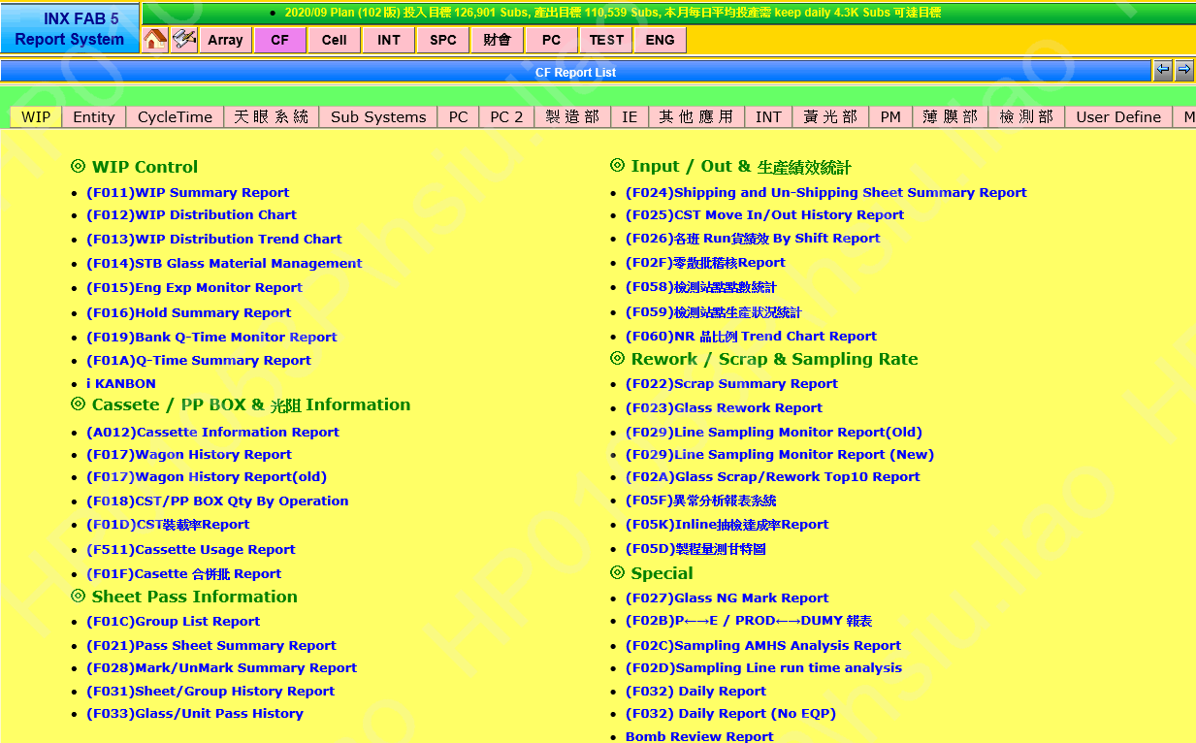

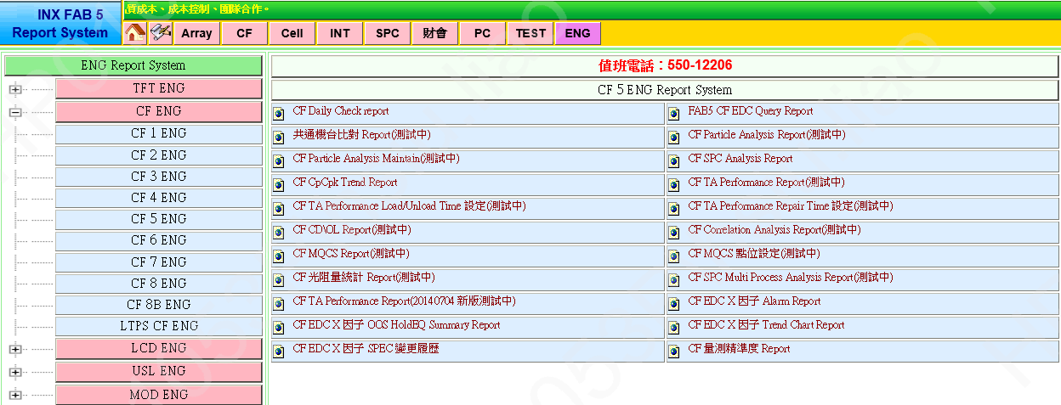

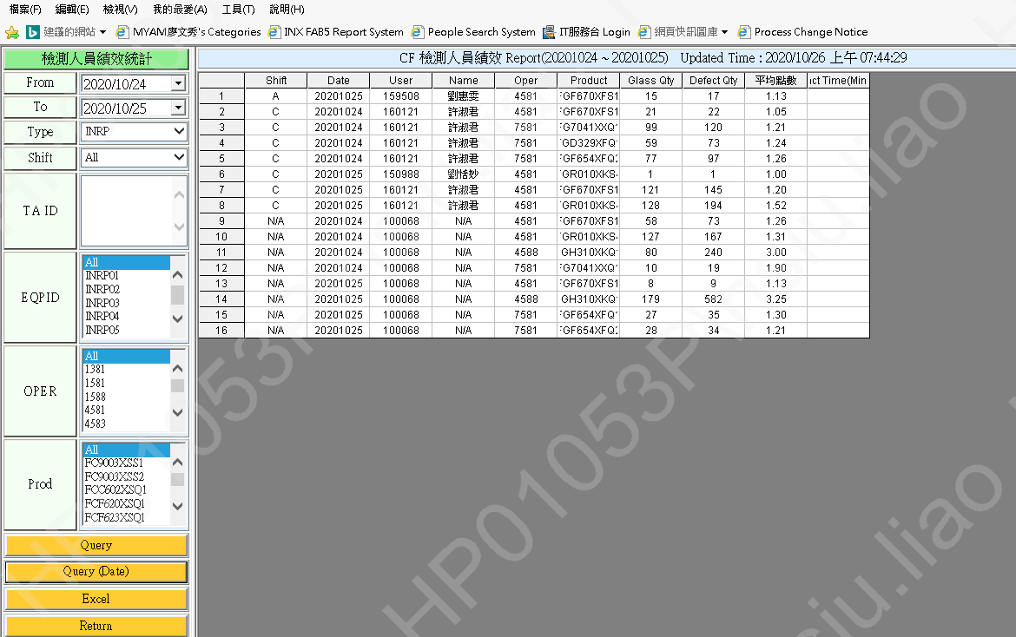

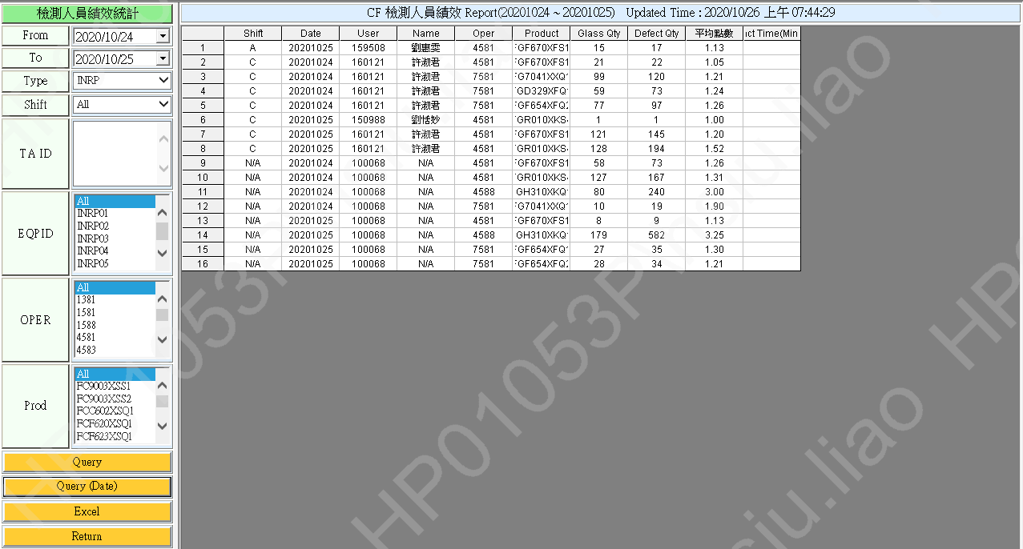

Shift | Date | User | Name | Oper | Product | Glass Qty | Defect Qty | 平均點數 | Tact Time(Mins) | 加總 - Glass Qty
A | 20201025 | 159508 | 劉惠雯 | 4581 | FGF670XFS1 | 15 | 17 | 1.13 |  | Product | Oper | 合計
C | 20201024 | 160121 | 許淑君 | 4581 | FGF670XFS1 | 21 | 22 | 1.05 |  | FG7041XXQ1 | 7581 | 109
C | 20201024 | 160121 | 許淑君 | 7581 | FG7041XXQ1 | 99 | 120 | 1.21 |  | FGD329XFQ1 | 7581 | 59
C | 20201024 | 160121 | 許淑君 | 7581 | FGD329XFQ1 | 59 | 73 | 1.24 |  | FGF654XFQ1 | 7581 | 27
C | 20201024 | 160121 | 許淑君 | 7581 | FGF654XFQ2 | 77 | 97 | 1.26 |  | FGF654XFQ2 | 7581 | 105
C | 20201025 | 150988 | 劉恬妙 | 4581 | FGR010XKS4 | 1 | 1 | 1 |  | FGF670XFS1 | 4581 | 223
...

